M1 ECU Set-Up New
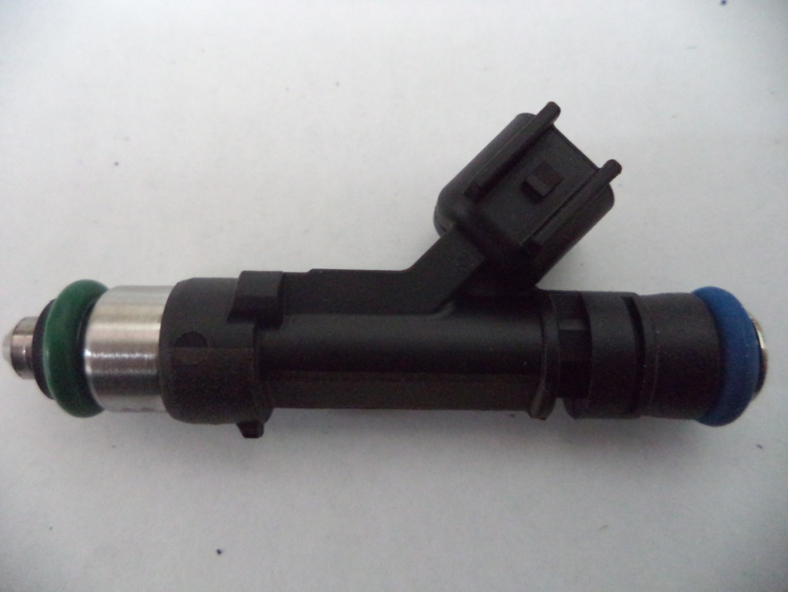
Injector Info

 | Manufacturer |  | Xspurt
 | Part No. |  | HP1000L
 | Resistance (Ω) |  | 12.0

 | Vehicle |  | Not Available
 | Model |  | Not Available
 | Engine |  | Not Available

 | Peak Current |  | 4.0 |  | A |  | Minimum Volume |  |  | 1.00 | µl
 | Hold Current |  | 0.30 |  | A |  | Ref Flow @ |  | 300 kPa g | 15.95 | ml/s
 | Peak Time |  | 7.0 |  | ms |  | Ref Flow @ |  | 400 kPa g | 18.70 | ml/s
 | Off Time |  | Not Available |  | ms |  | Ref Flow @ |  | 500 kPa g | 21.24 | ml/s
 | Pin Drive |  | Saturated |  |  |  | Ref Flow @ |  | 600 kPa g | 23.19 | ml/s
 |  |  |  |  |  |  | Ref Flow @ |  |  |  | ml/s

Voltages : |  | 8 | 10 | 12 | 14 | 16

Pulse widths (ms), dependend on voltage (V), fuel differential pressure (horizontal, kPa) and fuel volume (vertical, μl)

8 Volt |  |  |  |  |  |  | 10 Volt |  |  |  |  |  | 12 Volt |  |  |  |  |  | 14 Volt |  |  |  |  |  | 16 Volt

M1 | v2 |  |  |  |  |  | M1 | v2 |  |  |  |  | M1 | v2 |  |  |  |  | M1 | v2 |  |  |  |  | M1 | v2
Body | ms |  |  |  |  |  | Body | ms |  |  |  |  | Body | ms |  |  |  |  | Body | ms |  |  |  |  | Body | ms
Cols | dkPa | Fuel Pressure Differential |  |  |  |  | Cols | dkPa | Fuel Pressure Differential |  |  |  | Cols | dkPa | Fuel Pressure Differential |  |  |  | Cols | dkPa | Fuel Pressure Differential |  |  |  | Cols | dkPa | Fuel Pressure Differential
Rows | ul | Fuel Cylinder 1 Output Pulse Volume |  |  |  |  | Rows | ul | Fuel Cylinder 1 Output Pulse Volume |  |  |  | Rows | ul | Fuel Cylinder 1 Output Pulse Volume |  |  |  | Rows | ul | Fuel Cylinder 1 Output Pulse Volume |  |  |  | Rows | ul | Fuel Cylinder 1 Output Pulse Volume
 | 300 | 400 | 500 | 600 |  |  |  | 300 | 400 | 500 | 600 |  |  | 300 | 400 | 500 | 600 |  |  | 300 | 400 | 500 | 600 |  |  | 300 | 400 | 500 | 600
1.00 | 2.665 | 3.027 | 3.560 | 3.338 |  |  | 1.00 | 1.874 | 2.020 | 2.202 | 2.419 |  | 1.00 | 1.472 | 1.563 | 1.669 | 1.786 |  | 1.00 | 1.218 | 1.284 | 1.354 | 1.437 |  | 1.00 | 1.046 | 1.098 | 1.157 | 1.213
2.50 | 2.775 | 3.142 | 3.692 | 3.406 |  |  | 2.50 | 1.943 | 2.105 | 2.294 | 2.512 |  | 2.50 | 1.527 | 1.624 | 1.735 | 1.846 |  | 2.50 | 1.261 | 1.332 | 1.409 | 1.490 |  | 2.50 | 1.091 | 1.145 | 1.222 | 1.280
4.00 | 2.844 | 3.214 | 3.773 | 3.421 |  |  | 4.00 | 1.985 | 2.159 | 2.346 | 2.568 |  | 4.00 | 1.565 | 1.671 | 1.780 | 1.891 |  | 4.00 | 1.300 | 1.373 | 1.449 | 1.532 |  | 4.00 | 1.140 | 1.190 | 1.239 | 1.296
5.50 | 2.900 | 3.255 | 3.803 | 3.445 |  |  | 5.50 | 2.017 | 2.187 | 2.375 | 2.599 |  | 5.50 | 1.591 | 1.696 | 1.805 | 1.917 |  | 5.50 | 1.320 | 1.394 | 1.469 | 1.555 |  | 5.50 | 1.150 | 1.198 | 1.257 | 1.320
7.00 | 2.966 | 3.288 | 3.832 | 3.465 |  |  | 7.00 | 2.147 | 2.239 | 2.403 | 2.636 |  | 7.00 | 1.714 | 1.766 | 1.829 | 1.943 |  | 7.00 | 1.453 | 1.445 | 1.489 | 1.577 |  | 7.00 | 1.273 | 1.288 | 1.277 | 1.339
8.50 | 3.071 | 3.310 | 3.851 | 3.539 |  |  | 8.50 | 2.243 | 2.302 | 2.465 | 2.687 |  | 8.50 | 1.815 | 1.845 | 1.912 | 2.012 |  | 8.50 | 1.547 | 1.542 | 1.598 | 1.641 |  | 8.50 | 1.369 | 1.360 | 1.381 | 1.413
10.00 | 3.161 | 3.388 | 3.869 | 3.615 |  |  | 10.00 | 2.334 | 2.388 | 2.541 | 2.737 |  | 10.00 | 1.910 | 1.925 | 2.010 | 2.085 |  | 10.00 | 1.640 | 1.618 | 1.681 | 1.727 |  | 10.00 | 1.451 | 1.432 | 1.458 | 1.490
11.50 | 3.248 | 3.499 | 3.947 | 3.670 |  |  | 11.50 | 2.425 | 2.475 | 2.622 | 2.792 |  | 11.50 | 2.004 | 2.003 | 2.067 | 2.144 |  | 11.50 | 1.733 | 1.695 | 1.736 | 1.795 |  | 11.50 | 1.546 | 1.494 | 1.515 | 1.545
13.00 | 3.345 | 3.593 | 4.037 | 3.720 |  |  | 13.00 | 2.505 | 2.557 | 2.686 | 2.857 |  | 13.00 | 2.081 | 2.080 | 2.123 | 2.201 |  | 13.00 | 1.809 | 1.776 | 1.791 | 1.845 |  | 13.00 | 1.626 | 1.585 | 1.572 | 1.594
14.50 | 3.440 | 3.681 | 4.119 | 3.776 |  |  | 14.50 | 2.600 | 2.639 | 2.758 | 2.921 |  | 14.50 | 2.175 | 2.157 | 2.195 | 2.258 |  | 14.50 | 1.905 | 1.857 | 1.863 | 1.898 |  | 14.50 | 1.727 | 1.661 | 1.651 | 1.650
16.00 | 3.535 | 3.770 | 4.205 | 3.852 |  |  | 16.00 | 2.695 | 2.720 | 2.834 | 2.984 |  | 16.00 | 2.271 | 2.234 | 2.269 | 2.327 |  | 16.00 | 2.001 | 1.938 | 1.936 | 1.969 |  | 16.00 | 1.819 | 1.736 | 1.720 | 1.726
17.50 | 3.626 | 3.850 | 4.291 | 3.915 |  |  | 17.50 | 2.791 | 2.801 | 2.909 | 3.056 |  | 17.50 | 2.367 | 2.323 | 2.342 | 2.396 |  | 17.50 | 2.098 | 2.030 | 2.009 | 2.034 |  | 17.50 | 1.914 | 1.824 | 1.785 | 1.789
19.00 | 3.718 | 3.930 | 4.374 | 3.976 |  |  | 19.00 | 2.886 | 2.881 | 2.980 | 3.126 |  | 19.00 | 2.462 | 2.404 | 2.414 | 2.461 |  | 19.00 | 2.193 | 2.111 | 2.082 | 2.100 |  | 19.00 | 2.009 | 1.904 | 1.861 | 1.851
20.50 | 3.809 | 4.010 | 4.458 | 4.046 |  |  | 20.50 | 2.982 | 2.961 | 3.052 | 3.194 |  | 20.50 | 2.558 | 2.485 | 2.486 | 2.526 |  | 20.50 | 2.289 | 2.192 | 2.154 | 2.165 |  | 20.50 | 2.102 | 1.984 | 1.935 | 1.921
22.00 | 3.901 | 4.090 | 4.541 | 4.114 |  |  | 22.00 | 3.078 | 3.050 | 3.126 | 3.262 |  | 22.00 | 2.653 | 2.567 | 2.559 | 2.592 |  | 22.00 | 2.385 | 2.273 | 2.227 | 2.230 |  | 22.00 | 2.199 | 2.068 | 2.004 | 1.989
23.50 | 3.997 | 4.169 | 4.622 | 4.178 |  |  | 23.50 | 3.175 | 3.133 | 3.200 | 3.330 |  | 23.50 | 2.749 | 2.648 | 2.631 | 2.657 |  | 23.50 | 2.481 | 2.354 | 2.300 | 2.297 |  | 23.50 | 2.295 | 2.148 | 2.078 | 2.053
25.00 | 4.096 | 4.249 | 4.699 | 4.245 |  |  | 25.00 | 3.272 | 3.214 | 3.275 | 3.400 |  | 25.00 | 2.843 | 2.729 | 2.703 | 2.724 |  | 25.00 | 2.576 | 2.436 | 2.373 | 2.364 |  | 25.00 | 2.389 | 2.228 | 2.152 | 2.119
26.50 | 4.194 | 4.328 | 4.777 | 4.313 |  |  | 26.50 | 3.370 | 3.295 | 3.352 | 3.473 |  | 26.50 | 2.938 | 2.810 | 2.776 | 2.791 |  | 26.50 | 2.671 | 2.517 | 2.446 | 2.430 |  | 26.50 | 2.484 | 2.310 | 2.224 | 2.187
28.00 | 4.292 | 4.408 | 4.854 | 4.380 |  |  | 28.00 | 3.467 | 3.377 | 3.428 | 3.546 |  | 28.00 | 3.035 | 2.892 | 2.848 | 2.859 |  | 28.00 | 2.766 | 2.599 | 2.519 | 2.495 |  | 28.00 | 2.578 | 2.391 | 2.296 | 2.254
29.50 | 4.396 | 4.495 | 4.934 | 4.446 |  |  | 29.50 | 3.565 | 3.465 | 3.504 | 3.618 |  | 29.50 | 3.141 | 2.973 | 2.921 | 2.928 |  | 29.50 | 2.861 | 2.681 | 2.592 | 2.561 |  | 29.50 | 2.673 | 2.473 | 2.368 | 2.321
 |  |  |  | *
* marked columns contain extrapolated data

Pulse widths (ms), dependend on fuel differential pressure (kPa), voltage (horizontal, V) and fuel volume (vertical, μl)

300 |  |  |  |  |  |  | 400 |  |  |  |  |  | 500 |  |  |  |  |  | 600

 | 8 | 10 | 12 | 14 | 16 |  |  | 8 | 10 | 12 | 14 | 16 |  | 8 | 10 | 12 | 14 | 16 |  | 8 | 10 | 12 | 14 | 16
1.00 | 2.665 | 1.874 | 1.472 | 1.218 | 1.046 |  | 1.00 | 3.027 | 2.020 | 1.563 | 1.284 | 1.098 | 1.00 | 3.560 | 2.202 | 1.669 | 1.354 | 1.157 | 1.00 | 3.338 | 2.419 | 1.786 | 1.437 | 1.213
2.50 | 2.775 | 1.943 | 1.527 | 1.261 | 1.091 |  | 2.50 | 3.142 | 2.105 | 1.624 | 1.332 | 1.145 | 2.50 | 3.692 | 2.294 | 1.735 | 1.409 | 1.222 | 2.50 | 3.406 | 2.512 | 1.846 | 1.490 | 1.280
4.00 | 2.844 | 1.985 | 1.565 | 1.300 | 1.140 |  | 4.00 | 3.214 | 2.159 | 1.671 | 1.373 | 1.190 | 4.00 | 3.773 | 2.346 | 1.780 | 1.449 | 1.239 | 4.00 | 3.421 | 2.568 | 1.891 | 1.532 | 1.296
5.50 | 2.900 | 2.017 | 1.591 | 1.320 | 1.150 |  | 5.50 | 3.255 | 2.187 | 1.696 | 1.394 | 1.198 | 5.50 | 3.803 | 2.375 | 1.805 | 1.469 | 1.257 | 5.50 | 3.445 | 2.599 | 1.917 | 1.555 | 1.320
7.00 | 2.966 | 2.147 | 1.714 | 1.453 | 1.273 |  | 7.00 | 3.288 | 2.239 | 1.766 | 1.445 | 1.288 | 7.00 | 3.832 | 2.403 | 1.829 | 1.489 | 1.277 | 7.00 | 3.465 | 2.636 | 1.943 | 1.577 | 1.339
8.50 | 3.071 | 2.243 | 1.815 | 1.547 | 1.369 |  | 8.50 | 3.310 | 2.302 | 1.845 | 1.542 | 1.360 | 8.50 | 3.851 | 2.465 | 1.912 | 1.598 | 1.381 | 8.50 | 3.539 | 2.687 | 2.012 | 1.641 | 1.413
10.00 | 3.161 | 2.334 | 1.910 | 1.640 | 1.451 |  | 10.00 | 3.388 | 2.388 | 1.925 | 1.618 | 1.432 | 10.00 | 3.869 | 2.541 | 2.010 | 1.681 | 1.458 | 10.00 | 3.615 | 2.737 | 2.085 | 1.727 | 1.490
11.50 | 3.248 | 2.425 | 2.004 | 1.733 | 1.546 |  | 11.50 | 3.499 | 2.475 | 2.003 | 1.695 | 1.494 | 11.50 | 3.947 | 2.622 | 2.067 | 1.736 | 1.515 | 11.50 | 3.670 | 2.792 | 2.144 | 1.795 | 1.545
13.00 | 3.345 | 2.505 | 2.081 | 1.809 | 1.626 |  | 13.00 | 3.593 | 2.557 | 2.080 | 1.776 | 1.585 | 13.00 | 4.037 | 2.686 | 2.123 | 1.791 | 1.572 | 13.00 | 3.720 | 2.857 | 2.201 | 1.845 | 1.594
14.50 | 3.440 | 2.600 | 2.175 | 1.905 | 1.727 |  | 14.50 | 3.681 | 2.639 | 2.157 | 1.857 | 1.661 | 14.50 | 4.119 | 2.758 | 2.195 | 1.863 | 1.651 | 14.50 | 3.776 | 2.921 | 2.258 | 1.898 | 1.650
16.00 | 3.535 | 2.695 | 2.271 | 2.001 | 1.819 |  | 16.00 | 3.770 | 2.720 | 2.234 | 1.938 | 1.736 | 16.00 | 4.205 | 2.834 | 2.269 | 1.936 | 1.720 | 16.00 | 3.852 | 2.984 | 2.327 | 1.969 | 1.726
17.50 | 3.626 | 2.791 | 2.367 | 2.098 | 1.914 |  | 17.50 | 3.850 | 2.801 | 2.323 | 2.030 | 1.824 | 17.50 | 4.291 | 2.909 | 2.342 | 2.009 | 1.785 | 17.50 | 3.915 | 3.056 | 2.396 | 2.034 | 1.789
19.00 | 3.718 | 2.886 | 2.462 | 2.193 | 2.009 |  | 19.00 | 3.930 | 2.881 | 2.404 | 2.111 | 1.904 | 19.00 | 4.374 | 2.980 | 2.414 | 2.082 | 1.861 | 19.00 | 3.976 | 3.126 | 2.461 | 2.100 | 1.851
20.50 | 3.809 | 2.982 | 2.558 | 2.289 | 2.102 |  | 20.50 | 4.010 | 2.961 | 2.485 | 2.192 | 1.984 | 20.50 | 4.458 | 3.052 | 2.486 | 2.154 | 1.935 | 20.50 | 4.046 | 3.194 | 2.526 | 2.165 | 1.921
22.00 | 3.901 | 3.078 | 2.653 | 2.385 | 2.199 |  | 22.00 | 4.090 | 3.050 | 2.567 | 2.273 | 2.068 | 22.00 | 4.541 | 3.126 | 2.559 | 2.227 | 2.004 | 22.00 | 4.114 | 3.262 | 2.592 | 2.230 | 1.989
23.50 | 3.997 | 3.175 | 2.749 | 2.481 | 2.295 |  | 23.50 | 4.169 | 3.133 | 2.648 | 2.354 | 2.148 | 23.50 | 4.622 | 3.200 | 2.631 | 2.300 | 2.078 | 23.50 | 4.178 | 3.330 | 2.657 | 2.297 | 2.053
25.00 | 4.096 | 3.272 | 2.843 | 2.576 | 2.389 |  | 25.00 | 4.249 | 3.214 | 2.729 | 2.436 | 2.228 | 25.00 | 4.699 | 3.275 | 2.703 | 2.373 | 2.152 | 25.00 | 4.245 | 3.400 | 2.724 | 2.364 | 2.119
26.50 | 4.194 | 3.370 | 2.938 | 2.671 | 2.484 |  | 26.50 | 4.328 | 3.295 | 2.810 | 2.517 | 2.310 | 26.50 | 4.777 | 3.352 | 2.776 | 2.446 | 2.224 | 26.50 | 4.313 | 3.473 | 2.791 | 2.430 | 2.187
28.00 | 4.292 | 3.467 | 3.035 | 2.766 | 2.578 |  | 28.00 | 4.408 | 3.377 | 2.892 | 2.599 | 2.391 | 28.00 | 4.854 | 3.428 | 2.848 | 2.519 | 2.296 | 28.00 | 4.380 | 3.546 | 2.859 | 2.495 | 2.254
29.50 | 4.396 | 3.565 | 3.141 | 2.861 | 2.673 |  | 29.50 | 4.495 | 3.465 | 2.973 | 2.681 | 2.473 | 29.50 | 4.934 | 3.504 | 2.921 | 2.592 | 2.368 | 29.50 | 4.446 | 3.618 | 2.928 | 2.561 | 2.321
 |  |  |  |  |  |  |  |  |  |  |  |  |  |  |  |  |  |  |  | *
* marked columns contain extrapolated data

