M1 ECU Set-Up New
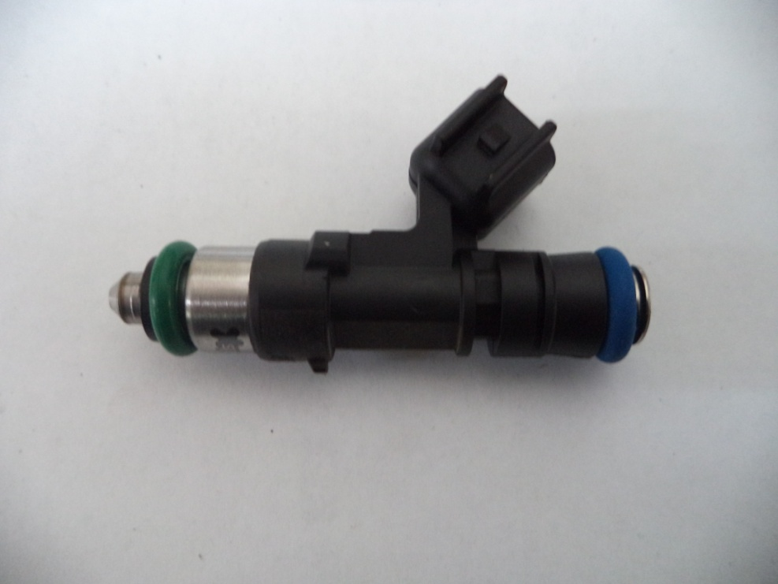
Injector Info

 | Manufacturer |  | Xspurt
 | Part No. |  | HP1000M
 | Resistance (Ω) |  | 12.0

 | Vehicle |  | Not Available
 | Model |  | Not Available
 | Engine |  | Not Available

 | Peak Current |  | 4.0 |  | A |  | Minimum Volume |  |  | 1.00 | µl
 | Hold Current |  | 0.30 |  | A |  | Ref Flow @ |  | 300 kPa g | 15.70 | ml/s
 | Peak Time |  | 7.0 |  | ms |  | Ref Flow @ |  | 400 kPa g | 18.46 | ml/s
 | Off Time |  | Not Available |  | ms |  | Ref Flow @ |  | 500 kPa g | 21.11 | ml/s
 | Pin Drive |  | Saturated |  |  |  | Ref Flow @ |  | 600 kPa g | 23.15 | ml/s
 |  |  |  |  |  |  | Ref Flow @ |  |  |  | ml/s

Voltages : |  | 8 | 10 | 12 | 14 | 16

Pulse widths (ms), dependend on voltage (V), fuel differential pressure (horizontal, kPa) and fuel volume (vertical, μl)

8 Volt |  |  |  |  |  |  | 10 Volt |  |  |  |  |  | 12 Volt |  |  |  |  |  | 14 Volt |  |  |  |  |  | 16 Volt

M1 | v2 |  |  |  |  |  | M1 | v2 |  |  |  |  | M1 | v2 |  |  |  |  | M1 | v2 |  |  |  |  | M1 | v2
Body | ms |  |  |  |  |  | Body | ms |  |  |  |  | Body | ms |  |  |  |  | Body | ms |  |  |  |  | Body | ms
Cols | dkPa | Fuel Pressure Differential |  |  |  |  | Cols | dkPa | Fuel Pressure Differential |  |  |  | Cols | dkPa | Fuel Pressure Differential |  |  |  | Cols | dkPa | Fuel Pressure Differential |  |  |  | Cols | dkPa | Fuel Pressure Differential
Rows | ul | Fuel Cylinder 1 Output Pulse Volume |  |  |  |  | Rows | ul | Fuel Cylinder 1 Output Pulse Volume |  |  |  | Rows | ul | Fuel Cylinder 1 Output Pulse Volume |  |  |  | Rows | ul | Fuel Cylinder 1 Output Pulse Volume |  |  |  | Rows | ul | Fuel Cylinder 1 Output Pulse Volume
 | 300 | 400 | 500 | 600 |  |  |  | 300 | 400 | 500 | 600 |  |  | 300 | 400 | 500 | 600 |  |  | 300 | 400 | 500 | 600 |  |  | 300 | 400 | 500 | 600
1.00 | 2.585 | 2.896 | 3.365 | 4.327 |  |  | 1.00 | 1.839 | 1.979 | 2.153 | 2.359 |  | 1.00 | 1.445 | 1.537 | 1.640 | 1.749 |  | 1.00 | 1.196 | 1.261 | 1.334 | 1.410 |  | 1.00 | 1.023 | 1.076 | 1.134 | 1.188
2.50 | 2.659 | 2.990 | 3.473 | 4.352 |  |  | 2.50 | 1.895 | 2.042 | 2.220 | 2.434 |  | 2.50 | 1.492 | 1.591 | 1.694 | 1.806 |  | 2.50 | 1.237 | 1.309 | 1.379 | 1.460 |  | 2.50 | 1.084 | 1.121 | 1.181 | 1.236
4.00 | 2.705 | 3.030 | 3.511 | 4.370 |  |  | 4.00 | 1.933 | 2.084 | 2.271 | 2.487 |  | 4.00 | 1.529 | 1.626 | 1.737 | 1.850 |  | 4.00 | 1.269 | 1.339 | 1.418 | 1.500 |  | 4.00 | 1.097 | 1.176 | 1.227 | 1.282
5.50 | 2.752 | 3.061 | 3.562 | 4.464 |  |  | 5.50 | 2.009 | 2.110 | 2.300 | 2.518 |  | 5.50 | 1.621 | 1.648 | 1.761 | 1.876 |  | 5.50 | 1.364 | 1.360 | 1.440 | 1.524 |  | 5.50 | 1.172 | 1.194 | 1.237 | 1.292
7.00 | 2.835 | 3.118 | 3.582 | 4.479 |  |  | 7.00 | 2.110 | 2.139 | 2.350 | 2.542 |  | 7.00 | 1.706 | 1.710 | 1.822 | 1.894 |  | 7.00 | 1.433 | 1.448 | 1.502 | 1.542 |  | 7.00 | 1.255 | 1.275 | 1.301 | 1.325
8.50 | 2.950 | 3.192 | 3.601 | 4.494 |  |  | 8.50 | 2.187 | 2.262 | 2.416 | 2.604 |  | 8.50 | 1.791 | 1.820 | 1.903 | 1.919 |  | 8.50 | 1.533 | 1.537 | 1.584 | 1.572 |  | 8.50 | 1.347 | 1.341 | 1.369 | 1.392
10.00 | 3.025 | 3.284 | 3.685 | 4.509 |  |  | 10.00 | 2.272 | 2.348 | 2.498 | 2.670 |  | 10.00 | 1.864 | 1.903 | 1.978 | 2.055 |  | 10.00 | 1.605 | 1.620 | 1.655 | 1.704 |  | 10.00 | 1.430 | 1.421 | 1.434 | 1.468
11.50 | 3.113 | 3.355 | 3.770 | 4.524 |  |  | 11.50 | 2.356 | 2.423 | 2.554 | 2.732 |  | 11.50 | 1.953 | 1.970 | 2.027 | 2.109 |  | 11.50 | 1.695 | 1.687 | 1.709 | 1.762 |  | 11.50 | 1.515 | 1.485 | 1.491 | 1.525
13.00 | 3.206 | 3.423 | 3.836 | 4.590 |  |  | 13.00 | 2.440 | 2.498 | 2.628 | 2.794 |  | 13.00 | 2.043 | 2.037 | 2.095 | 2.163 |  | 13.00 | 1.787 | 1.754 | 1.772 | 1.819 |  | 13.00 | 1.606 | 1.556 | 1.555 | 1.576
14.50 | 3.302 | 3.504 | 3.902 | 4.658 |  |  | 14.50 | 2.536 | 2.577 | 2.698 | 2.860 |  | 14.50 | 2.138 | 2.118 | 2.164 | 2.227 |  | 14.50 | 1.882 | 1.835 | 1.842 | 1.879 |  | 14.50 | 1.700 | 1.635 | 1.622 | 1.637
16.00 | 3.398 | 3.588 | 3.977 | 4.727 |  |  | 16.00 | 2.633 | 2.658 | 2.766 | 2.927 |  | 16.00 | 2.233 | 2.198 | 2.233 | 2.292 |  | 16.00 | 1.977 | 1.916 | 1.912 | 1.939 |  | 16.00 | 1.795 | 1.712 | 1.694 | 1.704
17.50 | 3.492 | 3.671 | 4.052 | 4.797 |  |  | 17.50 | 2.730 | 2.740 | 2.835 | 2.993 |  | 17.50 | 2.329 | 2.279 | 2.302 | 2.356 |  | 17.50 | 2.072 | 1.997 | 1.982 | 2.005 |  | 17.50 | 1.895 | 1.797 | 1.766 | 1.769
19.00 | 3.586 | 3.754 | 4.127 | 4.876 |  |  | 19.00 | 2.826 | 2.823 | 2.903 | 3.058 |  | 19.00 | 2.425 | 2.362 | 2.371 | 2.423 |  | 19.00 | 2.169 | 2.080 | 2.053 | 2.071 |  | 19.00 | 1.989 | 1.881 | 1.837 | 1.834
20.50 | 3.680 | 3.837 | 4.204 | 4.956 |  |  | 20.50 | 2.923 | 2.906 | 2.978 | 3.124 |  | 20.50 | 2.522 | 2.446 | 2.445 | 2.490 |  | 20.50 | 2.266 | 2.163 | 2.128 | 2.138 |  | 20.50 | 2.083 | 1.967 | 1.915 | 1.900
22.00 | 3.774 | 3.921 | 4.280 | 5.036 |  |  | 22.00 | 3.020 | 2.989 | 3.054 | 3.190 |  | 22.00 | 2.618 | 2.529 | 2.520 | 2.556 |  | 22.00 | 2.363 | 2.247 | 2.203 | 2.204 |  | 22.00 | 2.183 | 2.051 | 1.990 | 1.970
23.50 | 3.872 | 4.004 | 4.357 | 5.113 |  |  | 23.50 | 3.118 | 3.074 | 3.129 | 3.255 |  | 23.50 | 2.715 | 2.612 | 2.595 | 2.623 |  | 23.50 | 2.460 | 2.330 | 2.279 | 2.270 |  | 23.50 | 2.281 | 2.131 | 2.062 | 2.041
25.00 | 3.971 | 4.088 | 4.433 | 5.187 |  |  | 25.00 | 3.217 | 3.157 | 3.206 | 3.322 |  | 25.00 | 2.810 | 2.696 | 2.669 | 2.690 |  | 25.00 | 2.556 | 2.413 | 2.352 | 2.337 |  | 25.00 | 2.377 | 2.214 | 2.136 | 2.109
26.50 | 4.070 | 4.171 | 4.510 | 5.261 |  |  | 26.50 | 3.316 | 3.240 | 3.284 | 3.390 |  | 26.50 | 2.905 | 2.779 | 2.742 | 2.758 |  | 26.50 | 2.653 | 2.497 | 2.426 | 2.403 |  | 26.50 | 2.474 | 2.298 | 2.209 | 2.175
28.00 | 4.169 | 4.255 | 4.586 | 5.335 |  |  | 28.00 | 3.416 | 3.323 | 3.362 | 3.457 |  | 28.00 | 2.999 | 2.862 | 2.816 | 2.825 |  | 28.00 | 2.749 | 2.581 | 2.499 | 2.472 |  | 28.00 | 2.571 | 2.380 | 2.282 | 2.241
29.50 | 4.274 | 4.345 | 4.667 | 5.405 |  |  | 29.50 | 3.515 | 3.412 | 3.440 | 3.525 |  | 29.50 | 3.109 | 2.945 | 2.890 | 2.896 |  | 29.50 | 2.846 | 2.664 | 2.573 | 2.541 |  | 29.50 | 2.667 | 2.463 | 2.355 | 2.307

* marked columns contain extrapolated data

Pulse widths (ms), dependend on fuel differential pressure (kPa), voltage (horizontal, V) and fuel volume (vertical, μl)

300 |  |  |  |  |  |  | 400 |  |  |  |  |  | 500 |  |  |  |  |  | 600

 | 8 | 10 | 12 | 14 | 16 |  |  | 8 | 10 | 12 | 14 | 16 |  | 8 | 10 | 12 | 14 | 16 |  | 8 | 10 | 12 | 14 | 16
1.00 | 2.585 | 1.839 | 1.445 | 1.196 | 1.023 |  | 1.00 | 2.896 | 1.979 | 1.537 | 1.261 | 1.076 | 1.00 | 3.365 | 2.153 | 1.640 | 1.334 | 1.134 | 1.00 | 4.327 | 2.359 | 1.749 | 1.410 | 1.188
2.50 | 2.659 | 1.895 | 1.492 | 1.237 | 1.084 |  | 2.50 | 2.990 | 2.042 | 1.591 | 1.309 | 1.121 | 2.50 | 3.473 | 2.220 | 1.694 | 1.379 | 1.181 | 2.50 | 4.352 | 2.434 | 1.806 | 1.460 | 1.236
4.00 | 2.705 | 1.933 | 1.529 | 1.269 | 1.097 |  | 4.00 | 3.030 | 2.084 | 1.626 | 1.339 | 1.176 | 4.00 | 3.511 | 2.271 | 1.737 | 1.418 | 1.227 | 4.00 | 4.370 | 2.487 | 1.850 | 1.500 | 1.282
5.50 | 2.752 | 2.009 | 1.621 | 1.364 | 1.172 |  | 5.50 | 3.061 | 2.110 | 1.648 | 1.360 | 1.194 | 5.50 | 3.562 | 2.300 | 1.761 | 1.440 | 1.237 | 5.50 | 4.464 | 2.518 | 1.876 | 1.524 | 1.292
7.00 | 2.835 | 2.110 | 1.706 | 1.433 | 1.255 |  | 7.00 | 3.118 | 2.139 | 1.710 | 1.448 | 1.275 | 7.00 | 3.582 | 2.350 | 1.822 | 1.502 | 1.301 | 7.00 | 4.479 | 2.542 | 1.894 | 1.542 | 1.325
8.50 | 2.950 | 2.187 | 1.791 | 1.533 | 1.347 |  | 8.50 | 3.192 | 2.262 | 1.820 | 1.537 | 1.341 | 8.50 | 3.601 | 2.416 | 1.903 | 1.584 | 1.369 | 8.50 | 4.494 | 2.604 | 1.919 | 1.572 | 1.392
10.00 | 3.025 | 2.272 | 1.864 | 1.605 | 1.430 |  | 10.00 | 3.284 | 2.348 | 1.903 | 1.620 | 1.421 | 10.00 | 3.685 | 2.498 | 1.978 | 1.655 | 1.434 | 10.00 | 4.509 | 2.670 | 2.055 | 1.704 | 1.468
11.50 | 3.113 | 2.356 | 1.953 | 1.695 | 1.515 |  | 11.50 | 3.355 | 2.423 | 1.970 | 1.687 | 1.485 | 11.50 | 3.770 | 2.554 | 2.027 | 1.709 | 1.491 | 11.50 | 4.524 | 2.732 | 2.109 | 1.762 | 1.525
13.00 | 3.206 | 2.440 | 2.043 | 1.787 | 1.606 |  | 13.00 | 3.423 | 2.498 | 2.037 | 1.754 | 1.556 | 13.00 | 3.836 | 2.628 | 2.095 | 1.772 | 1.555 | 13.00 | 4.590 | 2.794 | 2.163 | 1.819 | 1.576
14.50 | 3.302 | 2.536 | 2.138 | 1.882 | 1.700 |  | 14.50 | 3.504 | 2.577 | 2.118 | 1.835 | 1.635 | 14.50 | 3.902 | 2.698 | 2.164 | 1.842 | 1.622 | 14.50 | 4.658 | 2.860 | 2.227 | 1.879 | 1.637
16.00 | 3.398 | 2.633 | 2.233 | 1.977 | 1.795 |  | 16.00 | 3.588 | 2.658 | 2.198 | 1.916 | 1.712 | 16.00 | 3.977 | 2.766 | 2.233 | 1.912 | 1.694 | 16.00 | 4.727 | 2.927 | 2.292 | 1.939 | 1.704
17.50 | 3.492 | 2.730 | 2.329 | 2.072 | 1.895 |  | 17.50 | 3.671 | 2.740 | 2.279 | 1.997 | 1.797 | 17.50 | 4.052 | 2.835 | 2.302 | 1.982 | 1.766 | 17.50 | 4.797 | 2.993 | 2.356 | 2.005 | 1.769
19.00 | 3.586 | 2.826 | 2.425 | 2.169 | 1.989 |  | 19.00 | 3.754 | 2.823 | 2.362 | 2.080 | 1.881 | 19.00 | 4.127 | 2.903 | 2.371 | 2.053 | 1.837 | 19.00 | 4.876 | 3.058 | 2.423 | 2.071 | 1.834
20.50 | 3.680 | 2.923 | 2.522 | 2.266 | 2.083 |  | 20.50 | 3.837 | 2.906 | 2.446 | 2.163 | 1.967 | 20.50 | 4.204 | 2.978 | 2.445 | 2.128 | 1.915 | 20.50 | 4.956 | 3.124 | 2.490 | 2.138 | 1.900
22.00 | 3.774 | 3.020 | 2.618 | 2.363 | 2.183 |  | 22.00 | 3.921 | 2.989 | 2.529 | 2.247 | 2.051 | 22.00 | 4.280 | 3.054 | 2.520 | 2.203 | 1.990 | 22.00 | 5.036 | 3.190 | 2.556 | 2.204 | 1.970
23.50 | 3.872 | 3.118 | 2.715 | 2.460 | 2.281 |  | 23.50 | 4.004 | 3.074 | 2.612 | 2.330 | 2.131 | 23.50 | 4.357 | 3.129 | 2.595 | 2.279 | 2.062 | 23.50 | 5.113 | 3.255 | 2.623 | 2.270 | 2.041
25.00 | 3.971 | 3.217 | 2.810 | 2.556 | 2.377 |  | 25.00 | 4.088 | 3.157 | 2.696 | 2.413 | 2.214 | 25.00 | 4.433 | 3.206 | 2.669 | 2.352 | 2.136 | 25.00 | 5.187 | 3.322 | 2.690 | 2.337 | 2.109
26.50 | 4.070 | 3.316 | 2.905 | 2.653 | 2.474 |  | 26.50 | 4.171 | 3.240 | 2.779 | 2.497 | 2.298 | 26.50 | 4.510 | 3.284 | 2.742 | 2.426 | 2.209 | 26.50 | 5.261 | 3.390 | 2.758 | 2.403 | 2.175
28.00 | 4.169 | 3.416 | 2.999 | 2.749 | 2.571 |  | 28.00 | 4.255 | 3.323 | 2.862 | 2.581 | 2.380 | 28.00 | 4.586 | 3.362 | 2.816 | 2.499 | 2.282 | 28.00 | 5.335 | 3.457 | 2.825 | 2.472 | 2.241
29.50 | 4.274 | 3.515 | 3.109 | 2.846 | 2.667 |  | 29.50 | 4.345 | 3.412 | 2.945 | 2.664 | 2.463 | 29.50 | 4.667 | 3.440 | 2.890 | 2.573 | 2.355 | 29.50 | 5.405 | 3.525 | 2.896 | 2.541 | 2.307

* marked columns contain extrapolated data

