M1 ECU Set-Up New
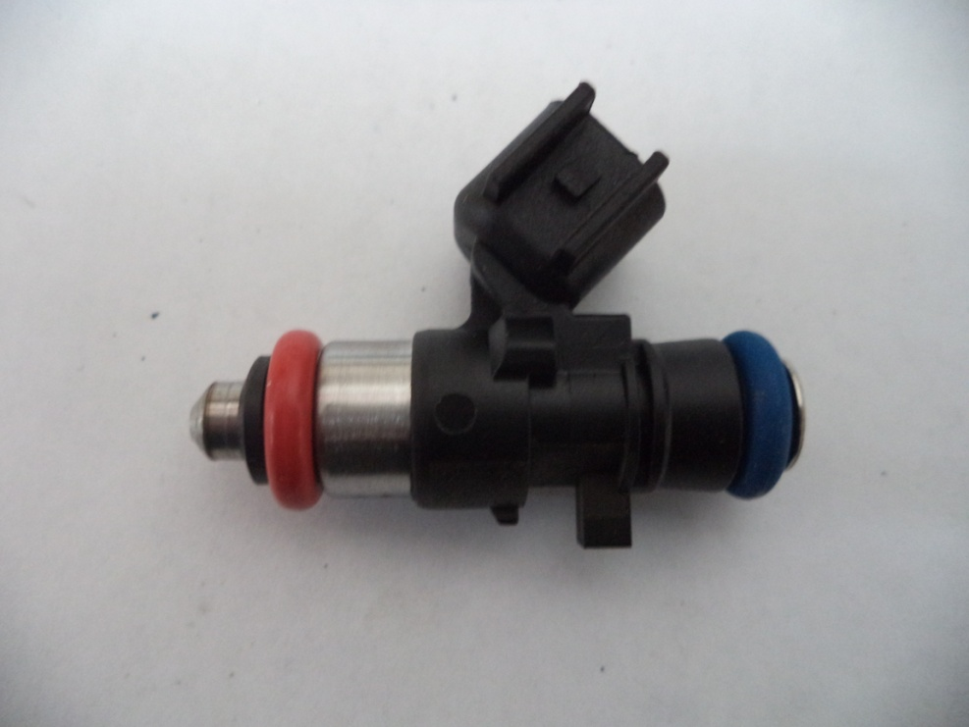
Injector Info

 | Manufacturer |  | Xspurt
 | Part No. |  | HP1000S
 | Resistance (Ω) |  | 12.0

 | Vehicle |  | Not Available
 | Model |  | Not Available
 | Engine |  | Not Available

 | Peak Current |  | 4.0 |  | A |  | Minimum Volume |  |  | 1.00 | µl
 | Hold Current |  | 0.30 |  | A |  | Ref Flow @ |  | 300 kPa g | 16.01 | ml/s
 | Peak Time |  | 7.0 |  | ms |  | Ref Flow @ |  | 400 kPa g | 18.88 | ml/s
 | Off Time |  | Not Available |  | ms |  | Ref Flow @ |  | 500 kPa g | 21.48 | ml/s
 | Pin Drive |  | Saturated |  |  |  | Ref Flow @ |  | 600 kPa g | 23.56 | ml/s
 |  |  |  |  |  |  | Ref Flow @ |  |  |  | ml/s

Voltages : |  | 8 | 10 | 12 | 14 | 16

Pulse widths (ms), dependend on voltage (V), fuel differential pressure (horizontal, kPa) and fuel volume (vertical, μl)

8 Volt |  |  |  |  |  |  | 10 Volt |  |  |  |  |  | 12 Volt |  |  |  |  |  | 14 Volt |  |  |  |  |  | 16 Volt

M1 | v2 |  |  |  |  |  | M1 | v2 |  |  |  |  | M1 | v2 |  |  |  |  | M1 | v2 |  |  |  |  | M1 | v2
Body | ms |  |  |  |  |  | Body | ms |  |  |  |  | Body | ms |  |  |  |  | Body | ms |  |  |  |  | Body | ms
Cols | dkPa | Fuel Pressure Differential |  |  |  |  | Cols | dkPa | Fuel Pressure Differential |  |  |  | Cols | dkPa | Fuel Pressure Differential |  |  |  | Cols | dkPa | Fuel Pressure Differential |  |  |  | Cols | dkPa | Fuel Pressure Differential
Rows | ul | Fuel Cylinder 1 Output Pulse Volume |  |  |  |  | Rows | ul | Fuel Cylinder 1 Output Pulse Volume |  |  |  | Rows | ul | Fuel Cylinder 1 Output Pulse Volume |  |  |  | Rows | ul | Fuel Cylinder 1 Output Pulse Volume |  |  |  | Rows | ul | Fuel Cylinder 1 Output Pulse Volume
 | 300 | 400 | 500 | 600 |  |  |  | 300 | 400 | 500 | 600 |  |  | 300 | 400 | 500 | 600 |  |  | 300 | 400 | 500 | 600 |  |  | 300 | 400 | 500 | 600
1.00 | 2.562 | 2.857 | 3.317 | 4.231 |  |  | 1.00 | 1.838 | 1.976 | 2.141 | 2.328 |  | 1.00 | 1.451 | 1.541 | 1.638 | 1.743 |  | 1.00 | 1.201 | 1.266 | 1.337 | 1.409 |  | 1.00 | 1.030 | 1.082 | 1.136 | 1.198
2.50 | 2.639 | 2.955 | 3.436 | 4.317 |  |  | 2.50 | 1.903 | 2.045 | 2.217 | 2.421 |  | 2.50 | 1.506 | 1.595 | 1.698 | 1.807 |  | 2.50 | 1.250 | 1.312 | 1.386 | 1.464 |  | 2.50 | 1.075 | 1.129 | 1.185 | 1.248
4.00 | 2.698 | 3.022 | 3.495 | 4.387 |  |  | 4.00 | 1.947 | 2.098 | 2.273 | 2.486 |  | 4.00 | 1.541 | 1.639 | 1.744 | 1.855 |  | 4.00 | 1.280 | 1.352 | 1.427 | 1.508 |  | 4.00 | 1.112 | 1.178 | 1.230 | 1.290
5.50 | 2.739 | 3.063 | 3.537 | 4.456 |  |  | 5.50 | 1.991 | 2.132 | 2.306 | 2.518 |  | 5.50 | 1.604 | 1.664 | 1.772 | 1.883 |  | 5.50 | 1.353 | 1.374 | 1.452 | 1.532 |  | 5.50 | 1.164 | 1.191 | 1.240 | 1.299
7.00 | 2.828 | 3.098 | 3.578 | 4.468 |  |  | 7.00 | 2.090 | 2.201 | 2.329 | 2.552 |  | 7.00 | 1.707 | 1.731 | 1.797 | 1.928 |  | 7.00 | 1.435 | 1.388 | 1.486 | 1.578 |  | 7.00 | 1.242 | 1.276 | 1.280 | 1.335
8.50 | 2.904 | 3.170 | 3.609 | 4.480 |  |  | 8.50 | 2.170 | 2.282 | 2.397 | 2.587 |  | 8.50 | 1.782 | 1.836 | 1.893 | 1.978 |  | 8.50 | 1.513 | 1.541 | 1.589 | 1.630 |  | 8.50 | 1.317 | 1.331 | 1.373 | 1.391
10.00 | 2.980 | 3.244 | 3.652 | 4.492 |  |  | 10.00 | 2.250 | 2.336 | 2.475 | 2.660 |  | 10.00 | 1.858 | 1.885 | 1.956 | 2.054 |  | 10.00 | 1.591 | 1.593 | 1.637 | 1.703 |  | 10.00 | 1.396 | 1.389 | 1.422 | 1.482
11.50 | 3.065 | 3.312 | 3.738 | 4.509 |  |  | 11.50 | 2.331 | 2.392 | 2.536 | 2.729 |  | 11.50 | 1.934 | 1.936 | 2.010 | 2.101 |  | 11.50 | 1.670 | 1.646 | 1.687 | 1.739 |  | 11.50 | 1.481 | 1.449 | 1.463 | 1.499
13.00 | 3.153 | 3.374 | 3.788 | 4.548 |  |  | 13.00 | 2.412 | 2.464 | 2.587 | 2.769 |  | 13.00 | 2.010 | 2.017 | 2.060 | 2.145 |  | 13.00 | 1.748 | 1.731 | 1.742 | 1.792 |  | 13.00 | 1.566 | 1.530 | 1.530 | 1.551
14.50 | 3.246 | 3.452 | 3.851 | 4.592 |  |  | 14.50 | 2.504 | 2.543 | 2.655 | 2.827 |  | 14.50 | 2.103 | 2.094 | 2.130 | 2.206 |  | 14.50 | 1.843 | 1.808 | 1.812 | 1.853 |  | 14.50 | 1.661 | 1.607 | 1.598 | 1.610
16.00 | 3.339 | 3.532 | 3.914 | 4.643 |  |  | 16.00 | 2.597 | 2.622 | 2.724 | 2.885 |  | 16.00 | 2.196 | 2.172 | 2.199 | 2.266 |  | 16.00 | 1.937 | 1.886 | 1.883 | 1.915 |  | 16.00 | 1.761 | 1.684 | 1.668 | 1.677
17.50 | 3.431 | 3.612 | 3.985 | 4.714 |  |  | 17.50 | 2.689 | 2.702 | 2.793 | 2.943 |  | 17.50 | 2.289 | 2.249 | 2.269 | 2.327 |  | 17.50 | 2.031 | 1.964 | 1.954 | 1.977 |  | 17.50 | 1.861 | 1.766 | 1.738 | 1.739
19.00 | 3.525 | 3.693 | 4.060 | 4.791 |  |  | 19.00 | 2.783 | 2.782 | 2.865 | 3.009 |  | 19.00 | 2.383 | 2.329 | 2.340 | 2.392 |  | 19.00 | 2.126 | 2.045 | 2.026 | 2.042 |  | 19.00 | 1.945 | 1.848 | 1.809 | 1.804
20.50 | 3.619 | 3.774 | 4.134 | 4.868 |  |  | 20.50 | 2.877 | 2.862 | 2.936 | 3.074 |  | 20.50 | 2.477 | 2.410 | 2.412 | 2.457 |  | 20.50 | 2.220 | 2.126 | 2.097 | 2.107 |  | 20.50 | 2.039 | 1.928 | 1.883 | 1.871
22.00 | 3.713 | 3.855 | 4.209 | 4.944 |  |  | 22.00 | 2.971 | 2.942 | 3.008 | 3.140 |  | 22.00 | 2.571 | 2.490 | 2.483 | 2.522 |  | 22.00 | 2.315 | 2.207 | 2.169 | 2.172 |  | 22.00 | 2.136 | 2.012 | 1.954 | 1.937
23.50 | 3.807 | 3.936 | 4.283 | 5.017 |  |  | 23.50 | 3.066 | 3.023 | 3.082 | 3.205 |  | 23.50 | 2.665 | 2.571 | 2.555 | 2.587 |  | 23.50 | 2.410 | 2.288 | 2.240 | 2.238 |  | 23.50 | 2.230 | 2.093 | 2.026 | 2.002
25.00 | 3.904 | 4.017 | 4.357 | 5.090 |  |  | 25.00 | 3.162 | 3.107 | 3.157 | 3.274 |  | 25.00 | 2.761 | 2.652 | 2.628 | 2.652 |  | 25.00 | 2.505 | 2.369 | 2.313 | 2.304 |  | 25.00 | 2.325 | 2.172 | 2.102 | 2.068
26.50 | 4.001 | 4.098 | 4.430 | 5.163 |  |  | 26.50 | 3.259 | 3.191 | 3.232 | 3.345 |  | 26.50 | 2.857 | 2.733 | 2.700 | 2.718 |  | 26.50 | 2.600 | 2.451 | 2.385 | 2.370 |  | 26.50 | 2.419 | 2.254 | 2.173 | 2.133
28.00 | 4.097 | 4.179 | 4.504 | 5.233 |  |  | 28.00 | 3.355 | 3.275 | 3.308 | 3.415 |  | 28.00 | 2.953 | 2.815 | 2.773 | 2.784 |  | 28.00 | 2.695 | 2.533 | 2.458 | 2.436 |  | 28.00 | 2.513 | 2.335 | 2.243 | 2.199
29.50 | 4.194 | 4.265 | 4.582 | 5.305 |  |  | 29.50 | 3.451 | 3.358 | 3.383 | 3.486 |  | 29.50 | 3.054 | 2.896 | 2.845 | 2.851 |  | 29.50 | 2.791 | 2.614 | 2.530 | 2.502 |  | 29.50 | 2.608 | 2.415 | 2.315 | 2.265

* marked columns contain extrapolated data

Pulse widths (ms), dependend on fuel differential pressure (kPa), voltage (horizontal, V) and fuel volume (vertical, μl)

300 |  |  |  |  |  |  | 400 |  |  |  |  |  | 500 |  |  |  |  |  | 600

 | 8 | 10 | 12 | 14 | 16 |  |  | 8 | 10 | 12 | 14 | 16 |  | 8 | 10 | 12 | 14 | 16 |  | 8 | 10 | 12 | 14 | 16
1.00 | 2.562 | 1.838 | 1.451 | 1.201 | 1.030 |  | 1.00 | 2.857 | 1.976 | 1.541 | 1.266 | 1.082 | 1.00 | 3.317 | 2.141 | 1.638 | 1.337 | 1.136 | 1.00 | 4.231 | 2.328 | 1.743 | 1.409 | 1.198
2.50 | 2.639 | 1.903 | 1.506 | 1.250 | 1.075 |  | 2.50 | 2.955 | 2.045 | 1.595 | 1.312 | 1.129 | 2.50 | 3.436 | 2.217 | 1.698 | 1.386 | 1.185 | 2.50 | 4.317 | 2.421 | 1.807 | 1.464 | 1.248
4.00 | 2.698 | 1.947 | 1.541 | 1.280 | 1.112 |  | 4.00 | 3.022 | 2.098 | 1.639 | 1.352 | 1.178 | 4.00 | 3.495 | 2.273 | 1.744 | 1.427 | 1.230 | 4.00 | 4.387 | 2.486 | 1.855 | 1.508 | 1.290
5.50 | 2.739 | 1.991 | 1.604 | 1.353 | 1.164 |  | 5.50 | 3.063 | 2.132 | 1.664 | 1.374 | 1.191 | 5.50 | 3.537 | 2.306 | 1.772 | 1.452 | 1.240 | 5.50 | 4.456 | 2.518 | 1.883 | 1.532 | 1.299
7.00 | 2.828 | 2.090 | 1.707 | 1.435 | 1.242 |  | 7.00 | 3.098 | 2.201 | 1.731 | 1.388 | 1.276 | 7.00 | 3.578 | 2.329 | 1.797 | 1.486 | 1.280 | 7.00 | 4.468 | 2.552 | 1.928 | 1.578 | 1.335
8.50 | 2.904 | 2.170 | 1.782 | 1.513 | 1.317 |  | 8.50 | 3.170 | 2.282 | 1.836 | 1.541 | 1.331 | 8.50 | 3.609 | 2.397 | 1.893 | 1.589 | 1.373 | 8.50 | 4.480 | 2.587 | 1.978 | 1.630 | 1.391
10.00 | 2.980 | 2.250 | 1.858 | 1.591 | 1.396 |  | 10.00 | 3.244 | 2.336 | 1.885 | 1.593 | 1.389 | 10.00 | 3.652 | 2.475 | 1.956 | 1.637 | 1.422 | 10.00 | 4.492 | 2.660 | 2.054 | 1.703 | 1.482
11.50 | 3.065 | 2.331 | 1.934 | 1.670 | 1.481 |  | 11.50 | 3.312 | 2.392 | 1.936 | 1.646 | 1.449 | 11.50 | 3.738 | 2.536 | 2.010 | 1.687 | 1.463 | 11.50 | 4.509 | 2.729 | 2.101 | 1.739 | 1.499
13.00 | 3.153 | 2.412 | 2.010 | 1.748 | 1.566 |  | 13.00 | 3.374 | 2.464 | 2.017 | 1.731 | 1.530 | 13.00 | 3.788 | 2.587 | 2.060 | 1.742 | 1.530 | 13.00 | 4.548 | 2.769 | 2.145 | 1.792 | 1.551
14.50 | 3.246 | 2.504 | 2.103 | 1.843 | 1.661 |  | 14.50 | 3.452 | 2.543 | 2.094 | 1.808 | 1.607 | 14.50 | 3.851 | 2.655 | 2.130 | 1.812 | 1.598 | 14.50 | 4.592 | 2.827 | 2.206 | 1.853 | 1.610
16.00 | 3.339 | 2.597 | 2.196 | 1.937 | 1.761 |  | 16.00 | 3.532 | 2.622 | 2.172 | 1.886 | 1.684 | 16.00 | 3.914 | 2.724 | 2.199 | 1.883 | 1.668 | 16.00 | 4.643 | 2.885 | 2.266 | 1.915 | 1.677
17.50 | 3.431 | 2.689 | 2.289 | 2.031 | 1.861 |  | 17.50 | 3.612 | 2.702 | 2.249 | 1.964 | 1.766 | 17.50 | 3.985 | 2.793 | 2.269 | 1.954 | 1.738 | 17.50 | 4.714 | 2.943 | 2.327 | 1.977 | 1.739
19.00 | 3.525 | 2.783 | 2.383 | 2.126 | 1.945 |  | 19.00 | 3.693 | 2.782 | 2.329 | 2.045 | 1.848 | 19.00 | 4.060 | 2.865 | 2.340 | 2.026 | 1.809 | 19.00 | 4.791 | 3.009 | 2.392 | 2.042 | 1.804
20.50 | 3.619 | 2.877 | 2.477 | 2.220 | 2.039 |  | 20.50 | 3.774 | 2.862 | 2.410 | 2.126 | 1.928 | 20.50 | 4.134 | 2.936 | 2.412 | 2.097 | 1.883 | 20.50 | 4.868 | 3.074 | 2.457 | 2.107 | 1.871
22.00 | 3.713 | 2.971 | 2.571 | 2.315 | 2.136 |  | 22.00 | 3.855 | 2.942 | 2.490 | 2.207 | 2.012 | 22.00 | 4.209 | 3.008 | 2.483 | 2.169 | 1.954 | 22.00 | 4.944 | 3.140 | 2.522 | 2.172 | 1.937
23.50 | 3.807 | 3.066 | 2.665 | 2.410 | 2.230 |  | 23.50 | 3.936 | 3.023 | 2.571 | 2.288 | 2.093 | 23.50 | 4.283 | 3.082 | 2.555 | 2.240 | 2.026 | 23.50 | 5.017 | 3.205 | 2.587 | 2.238 | 2.002
25.00 | 3.904 | 3.162 | 2.761 | 2.505 | 2.325 |  | 25.00 | 4.017 | 3.107 | 2.652 | 2.369 | 2.172 | 25.00 | 4.357 | 3.157 | 2.628 | 2.313 | 2.102 | 25.00 | 5.090 | 3.274 | 2.652 | 2.304 | 2.068
26.50 | 4.001 | 3.259 | 2.857 | 2.600 | 2.419 |  | 26.50 | 4.098 | 3.191 | 2.733 | 2.451 | 2.254 | 26.50 | 4.430 | 3.232 | 2.700 | 2.385 | 2.173 | 26.50 | 5.163 | 3.345 | 2.718 | 2.370 | 2.133
28.00 | 4.097 | 3.355 | 2.953 | 2.695 | 2.513 |  | 28.00 | 4.179 | 3.275 | 2.815 | 2.533 | 2.335 | 28.00 | 4.504 | 3.308 | 2.773 | 2.458 | 2.243 | 28.00 | 5.233 | 3.415 | 2.784 | 2.436 | 2.199
29.50 | 4.194 | 3.451 | 3.054 | 2.791 | 2.608 |  | 29.50 | 4.265 | 3.358 | 2.896 | 2.614 | 2.415 | 29.50 | 4.582 | 3.383 | 2.845 | 2.530 | 2.315 | 29.50 | 5.305 | 3.486 | 2.851 | 2.502 | 2.265

* marked columns contain extrapolated data

