M1 ECU Set-Up New
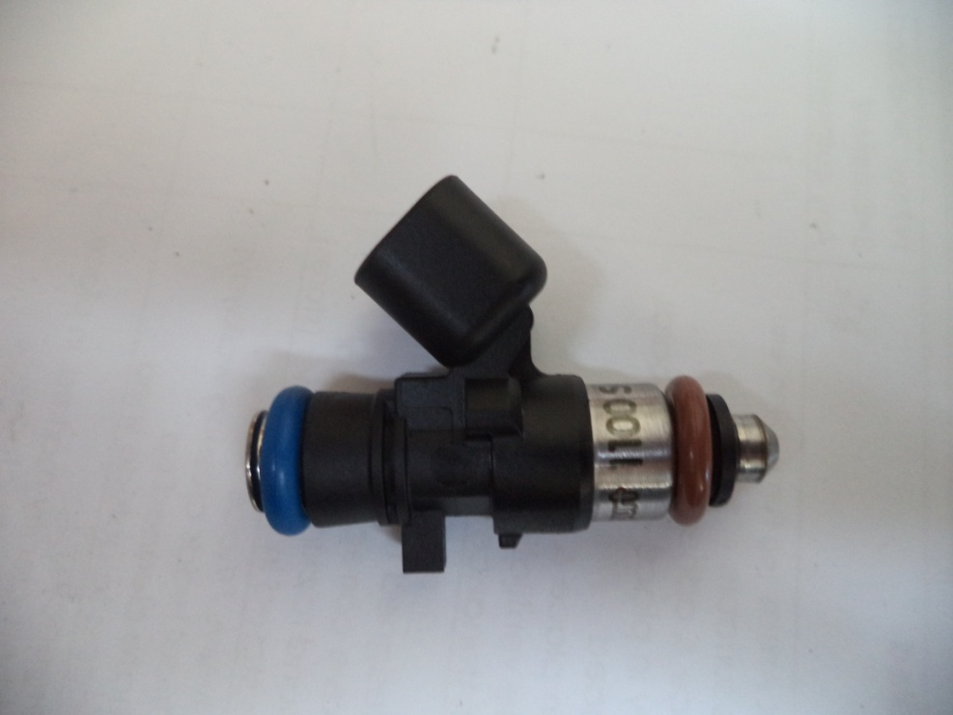
Injector Info

 | Manufacturer |  | Xspurt
 | Part No. |  | 1170 S
 | Resistance (Ω) |  | 12.2

 | Vehicle |  | Not Available
 | Model |  | Not Available
 | Engine |  | Not Available

 | Peak Current |  | 4.0 |  | A |  | Minimum Volume |  |  | 1.00 | µl
 | Hold Current |  | 0.30 |  | A |  | Ref Flow @ |  | 300 kPa g | 19.96 | ml/s
 | Peak Time |  | 7.0 |  | ms |  | Ref Flow @ |  | 400 kPa g | 23.14 | ml/s
 | Off Time |  | Not Available |  | ms |  | Ref Flow @ |  | 500 kPa g | 25.63 | ml/s
 | Pin Drive |  | Saturated |  |  |  | Ref Flow @ |  | 600 kPa g | 28.09 | ml/s
 |  |  |  |  |  |  | Ref Flow @ |  |  |  | ml/s

Voltages : |  | 8 | 10 | 12 | 14 | 15

Pulse widths (ms), dependend on voltage (V), fuel differential pressure (horizontal, kPa) and fuel volume (vertical, μl)

8 Volt |  |  |  |  |  |  | 10 Volt |  |  |  |  |  | 12 Volt |  |  |  |  |  | 14 Volt |  |  |  |  |  | 15 Volt

M1 | v2 |  |  |  |  |  | M1 | v2 |  |  |  |  | M1 | v2 |  |  |  |  | M1 | v2 |  |  |  |  | M1 | v2
Body | ms |  |  |  |  |  | Body | ms |  |  |  |  | Body | ms |  |  |  |  | Body | ms |  |  |  |  | Body | ms
Cols | dkPa | Fuel Pressure Differential |  |  |  |  | Cols | dkPa | Fuel Pressure Differential |  |  |  | Cols | dkPa | Fuel Pressure Differential |  |  |  | Cols | dkPa | Fuel Pressure Differential |  |  |  | Cols | dkPa | Fuel Pressure Differential
Rows | ul | Fuel Cylinder 1 Output Pulse Volume |  |  |  |  | Rows | ul | Fuel Cylinder 1 Output Pulse Volume |  |  |  | Rows | ul | Fuel Cylinder 1 Output Pulse Volume |  |  |  | Rows | ul | Fuel Cylinder 1 Output Pulse Volume |  |  |  | Rows | ul | Fuel Cylinder 1 Output Pulse Volume
 | 300 | 400 | 500 | 600 |  |  |  | 300 | 400 | 500 | 600 |  |  | 300 | 400 | 500 | 600 |  |  | 300 | 400 | 500 | 600 |  |  | 300 | 400 | 500 | 600
1.00 | 4.198 | 4.328 | 5.528 | 6.978 |  |  | 1.00 | 2.358 | 2.654 | 3.272 | 4.357 |  | 1.00 | 1.751 | 1.896 | 2.081 | 2.350 |  | 1.00 | 1.411 | 1.496 | 1.600 | 1.735 |  | 1.00 | 1.295 | 1.371 | 1.464 | 1.555
3.00 | 4.249 | 4.402 | 5.604 | 7.053 |  |  | 3.00 | 2.442 | 2.767 | 3.389 | 4.432 |  | 3.00 | 1.823 | 1.985 | 2.172 | 2.452 |  | 3.00 | 1.476 | 1.566 | 1.682 | 1.814 |  | 3.00 | 1.365 | 1.445 | 1.540 | 1.629
5.00 | 4.359 | 4.438 | 5.640 | 7.145 |  |  | 5.00 | 2.493 | 2.818 | 3.449 | 4.524 |  | 5.00 | 1.869 | 2.024 | 2.226 | 2.527 |  | 5.00 | 1.518 | 1.605 | 1.725 | 1.875 |  | 5.00 | 1.391 | 1.480 | 1.575 | 1.721
7.00 | 4.387 | 4.482 | 5.684 | 7.155 |  |  | 7.00 | 2.542 | 2.865 | 3.490 | 4.533 |  | 7.00 | 1.946 | 2.054 | 2.266 | 2.565 |  | 7.00 | 1.586 | 1.639 | 1.757 | 1.910 |  | 7.00 | 1.471 | 1.524 | 1.620 | 1.731
9.00 | 4.411 | 4.567 | 5.713 | 7.164 |  |  | 9.00 | 2.632 | 2.913 | 3.548 | 4.543 |  | 9.00 | 2.025 | 2.140 | 2.296 | 2.588 |  | 9.00 | 1.679 | 1.737 | 1.795 | 1.939 |  | 9.00 | 1.554 | 1.609 | 1.648 | 1.741
11.00 | 4.435 | 4.640 | 5.823 | 7.208 |  |  | 11.00 | 2.737 | 3.017 | 3.571 | 4.587 |  | 11.00 | 2.105 | 2.201 | 2.395 | 2.611 |  | 11.00 | 1.772 | 1.814 | 1.934 | 1.992 |  | 11.00 | 1.640 | 1.683 | 1.759 | 1.785
13.00 | 4.496 | 4.712 | 5.876 | 7.342 |  |  | 13.00 | 2.822 | 3.073 | 3.606 | 4.721 |  | 13.00 | 2.219 | 2.262 | 2.464 | 2.712 |  | 13.00 | 1.877 | 1.885 | 1.981 | 2.113 |  | 13.00 | 1.759 | 1.754 | 1.812 | 1.919
15.00 | 4.611 | 4.812 | 5.941 | 7.383 |  |  | 15.00 | 2.921 | 3.153 | 3.699 | 4.762 |  | 15.00 | 2.319 | 2.351 | 2.519 | 2.790 |  | 15.00 | 1.980 | 1.979 | 2.029 | 2.153 |  | 15.00 | 1.851 | 1.854 | 1.876 | 1.960
17.00 | 4.719 | 4.893 | 6.030 | 7.432 |  |  | 17.00 | 3.027 | 3.240 | 3.770 | 4.811 |  | 17.00 | 2.414 | 2.459 | 2.608 | 2.854 |  | 17.00 | 2.082 | 2.079 | 2.117 | 2.194 |  | 17.00 | 1.939 | 1.935 | 1.966 | 2.009
19.00 | 4.822 | 4.980 | 6.113 | 7.528 |  |  | 19.00 | 3.130 | 3.329 | 3.840 | 4.907 |  | 19.00 | 2.519 | 2.549 | 2.694 | 2.924 |  | 19.00 | 2.184 | 2.163 | 2.197 | 2.270 |  | 19.00 | 2.049 | 2.022 | 2.049 | 2.105
21.00 | 4.923 | 5.063 | 6.182 | 7.601 |  |  | 21.00 | 3.232 | 3.417 | 3.909 | 4.980 |  | 21.00 | 2.625 | 2.638 | 2.771 | 2.994 |  | 21.00 | 2.287 | 2.247 | 2.272 | 2.348 |  | 21.00 | 2.150 | 2.106 | 2.118 | 2.178
23.00 | 5.030 | 5.160 | 6.247 | 7.667 |  |  | 23.00 | 3.335 | 3.508 | 3.980 | 5.045 |  | 23.00 | 2.731 | 2.727 | 2.848 | 3.073 |  | 23.00 | 2.389 | 2.332 | 2.348 | 2.426 |  | 23.00 | 2.255 | 2.203 | 2.183 | 2.243
25.00 | 5.143 | 5.245 | 6.332 | 7.737 |  |  | 25.00 | 3.438 | 3.600 | 4.069 | 5.116 |  | 25.00 | 2.835 | 2.816 | 2.927 | 3.148 |  | 25.00 | 2.492 | 2.418 | 2.428 | 2.501 |  | 25.00 | 2.363 | 2.288 | 2.268 | 2.314
27.00 | 5.256 | 5.329 | 6.416 | 7.814 |  |  | 27.00 | 3.541 | 3.692 | 4.170 | 5.193 |  | 27.00 | 2.939 | 2.905 | 3.007 | 3.224 |  | 27.00 | 2.596 | 2.505 | 2.509 | 2.576 |  | 27.00 | 2.465 | 2.371 | 2.352 | 2.391
29.00 | 5.368 | 5.423 | 6.496 | 7.896 |  |  | 29.00 | 3.644 | 3.784 | 4.270 | 5.275 |  | 29.00 | 3.042 | 2.994 | 3.095 | 3.299 |  | 29.00 | 2.699 | 2.591 | 2.589 | 2.651 |  | 29.00 | 2.566 | 2.465 | 2.432 | 2.473
31.00 | 5.479 | 5.511 | 6.581 | 7.972 |  |  | 31.00 | 3.747 | 3.874 | 4.365 | 5.350 |  | 31.00 | 3.145 | 3.094 | 3.183 | 3.374 |  | 31.00 | 2.802 | 2.678 | 2.670 | 2.726 |  | 31.00 | 2.666 | 2.553 | 2.517 | 2.548
33.00 | 5.589 | 5.597 | 6.661 | 8.043 |  |  | 33.00 | 3.850 | 3.963 | 4.451 | 5.422 |  | 33.00 | 3.247 | 3.181 | 3.263 | 3.449 |  | 33.00 | 2.907 | 2.766 | 2.751 | 2.799 |  | 33.00 | 2.767 | 2.639 | 2.597 | 2.620
35.00 | 5.699 | 5.684 | 6.732 | 8.116 |  |  | 35.00 | 3.953 | 4.051 | 4.536 | 5.494 |  | 35.00 | 3.349 | 3.268 | 3.342 | 3.524 |  | 35.00 | 3.012 | 2.855 | 2.833 | 2.872 |  | 35.00 | 2.868 | 2.726 | 2.668 | 2.692
37.00 | 5.808 | 5.770 | 6.803 | 8.186 |  |  | 37.00 | 4.055 | 4.140 | 4.622 | 5.565 |  | 37.00 | 3.450 | 3.354 | 3.421 | 3.600 |  | 37.00 | 3.112 | 2.944 | 2.915 | 2.944 |  | 37.00 | 2.969 | 2.813 | 2.739 | 2.763
39.00 | 5.905 | 5.857 | 6.883 | 8.256 |  |  | 39.00 | 4.158 | 4.234 | 4.708 | 5.635 |  | 39.00 | 3.552 | 3.441 | 3.500 | 3.680 |  | 39.00 | 3.211 | 3.044 | 2.997 | 3.031 |  | 39.00 | 3.067 | 2.899 | 2.819 | 2.833
 |  | * | * | * |  |  |  |  |  |  | *
* marked columns contain extrapolated data

Pulse widths (ms), dependend on fuel differential pressure (kPa), voltage (horizontal, V) and fuel volume (vertical, μl)

300 |  |  |  |  |  |  | 400 |  |  |  |  |  | 500 |  |  |  |  |  | 600

 | 8 | 10 | 12 | 14 | 15 |  |  | 8 | 10 | 12 | 14 | 15 |  | 8 | 10 | 12 | 14 | 15 |  | 8 | 10 | 12 | 14 | 15
1.00 | 4.198 | 2.358 | 1.751 | 1.411 | 1.295 |  | 1.00 | 4.328 | 2.654 | 1.896 | 1.496 | 1.371 | 1.00 | 5.528 | 3.272 | 2.081 | 1.600 | 1.464 | 1.00 | 6.978 | 4.357 | 2.350 | 1.735 | 1.555
3.00 | 4.249 | 2.442 | 1.823 | 1.476 | 1.365 |  | 3.00 | 4.402 | 2.767 | 1.985 | 1.566 | 1.445 | 3.00 | 5.604 | 3.389 | 2.172 | 1.682 | 1.540 | 3.00 | 7.053 | 4.432 | 2.452 | 1.814 | 1.629
5.00 | 4.359 | 2.493 | 1.869 | 1.518 | 1.391 |  | 5.00 | 4.438 | 2.818 | 2.024 | 1.605 | 1.480 | 5.00 | 5.640 | 3.449 | 2.226 | 1.725 | 1.575 | 5.00 | 7.145 | 4.524 | 2.527 | 1.875 | 1.721
7.00 | 4.387 | 2.542 | 1.946 | 1.586 | 1.471 |  | 7.00 | 4.482 | 2.865 | 2.054 | 1.639 | 1.524 | 7.00 | 5.684 | 3.490 | 2.266 | 1.757 | 1.620 | 7.00 | 7.155 | 4.533 | 2.565 | 1.910 | 1.731
9.00 | 4.411 | 2.632 | 2.025 | 1.679 | 1.554 |  | 9.00 | 4.567 | 2.913 | 2.140 | 1.737 | 1.609 | 9.00 | 5.713 | 3.548 | 2.296 | 1.795 | 1.648 | 9.00 | 7.164 | 4.543 | 2.588 | 1.939 | 1.741
11.00 | 4.435 | 2.737 | 2.105 | 1.772 | 1.640 |  | 11.00 | 4.640 | 3.017 | 2.201 | 1.814 | 1.683 | 11.00 | 5.823 | 3.571 | 2.395 | 1.934 | 1.759 | 11.00 | 7.208 | 4.587 | 2.611 | 1.992 | 1.785
13.00 | 4.496 | 2.822 | 2.219 | 1.877 | 1.759 |  | 13.00 | 4.712 | 3.073 | 2.262 | 1.885 | 1.754 | 13.00 | 5.876 | 3.606 | 2.464 | 1.981 | 1.812 | 13.00 | 7.342 | 4.721 | 2.712 | 2.113 | 1.919
15.00 | 4.611 | 2.921 | 2.319 | 1.980 | 1.851 |  | 15.00 | 4.812 | 3.153 | 2.351 | 1.979 | 1.854 | 15.00 | 5.941 | 3.699 | 2.519 | 2.029 | 1.876 | 15.00 | 7.383 | 4.762 | 2.790 | 2.153 | 1.960
17.00 | 4.719 | 3.027 | 2.414 | 2.082 | 1.939 |  | 17.00 | 4.893 | 3.240 | 2.459 | 2.079 | 1.935 | 17.00 | 6.030 | 3.770 | 2.608 | 2.117 | 1.966 | 17.00 | 7.432 | 4.811 | 2.854 | 2.194 | 2.009
19.00 | 4.822 | 3.130 | 2.519 | 2.184 | 2.049 |  | 19.00 | 4.980 | 3.329 | 2.549 | 2.163 | 2.022 | 19.00 | 6.113 | 3.840 | 2.694 | 2.197 | 2.049 | 19.00 | 7.528 | 4.907 | 2.924 | 2.270 | 2.105
21.00 | 4.923 | 3.232 | 2.625 | 2.287 | 2.150 |  | 21.00 | 5.063 | 3.417 | 2.638 | 2.247 | 2.106 | 21.00 | 6.182 | 3.909 | 2.771 | 2.272 | 2.118 | 21.00 | 7.601 | 4.980 | 2.994 | 2.348 | 2.178
23.00 | 5.030 | 3.335 | 2.731 | 2.389 | 2.255 |  | 23.00 | 5.160 | 3.508 | 2.727 | 2.332 | 2.203 | 23.00 | 6.247 | 3.980 | 2.848 | 2.348 | 2.183 | 23.00 | 7.667 | 5.045 | 3.073 | 2.426 | 2.243
25.00 | 5.143 | 3.438 | 2.835 | 2.492 | 2.363 |  | 25.00 | 5.245 | 3.600 | 2.816 | 2.418 | 2.288 | 25.00 | 6.332 | 4.069 | 2.927 | 2.428 | 2.268 | 25.00 | 7.737 | 5.116 | 3.148 | 2.501 | 2.314
27.00 | 5.256 | 3.541 | 2.939 | 2.596 | 2.465 |  | 27.00 | 5.329 | 3.692 | 2.905 | 2.505 | 2.371 | 27.00 | 6.416 | 4.170 | 3.007 | 2.509 | 2.352 | 27.00 | 7.814 | 5.193 | 3.224 | 2.576 | 2.391
29.00 | 5.368 | 3.644 | 3.042 | 2.699 | 2.566 |  | 29.00 | 5.423 | 3.784 | 2.994 | 2.591 | 2.465 | 29.00 | 6.496 | 4.270 | 3.095 | 2.589 | 2.432 | 29.00 | 7.896 | 5.275 | 3.299 | 2.651 | 2.473
31.00 | 5.479 | 3.747 | 3.145 | 2.802 | 2.666 |  | 31.00 | 5.511 | 3.874 | 3.094 | 2.678 | 2.553 | 31.00 | 6.581 | 4.365 | 3.183 | 2.670 | 2.517 | 31.00 | 7.972 | 5.350 | 3.374 | 2.726 | 2.548
33.00 | 5.589 | 3.850 | 3.247 | 2.907 | 2.767 |  | 33.00 | 5.597 | 3.963 | 3.181 | 2.766 | 2.639 | 33.00 | 6.661 | 4.451 | 3.263 | 2.751 | 2.597 | 33.00 | 8.043 | 5.422 | 3.449 | 2.799 | 2.620
35.00 | 5.699 | 3.953 | 3.349 | 3.012 | 2.868 |  | 35.00 | 5.684 | 4.051 | 3.268 | 2.855 | 2.726 | 35.00 | 6.732 | 4.536 | 3.342 | 2.833 | 2.668 | 35.00 | 8.116 | 5.494 | 3.524 | 2.872 | 2.692
37.00 | 5.808 | 4.055 | 3.450 | 3.112 | 2.969 |  | 37.00 | 5.770 | 4.140 | 3.354 | 2.944 | 2.813 | 37.00 | 6.803 | 4.622 | 3.421 | 2.915 | 2.739 | 37.00 | 8.186 | 5.565 | 3.600 | 2.944 | 2.763
39.00 | 5.905 | 4.158 | 3.552 | 3.211 | 3.067 |  | 39.00 | 5.857 | 4.234 | 3.441 | 3.044 | 2.899 | 39.00 | 6.883 | 4.708 | 3.500 | 2.997 | 2.819 | 39.00 | 8.256 | 5.635 | 3.680 | 3.031 | 2.833
 |  |  |  |  |  |  |  | * |  |  |  |  |  | * |  |  |  |  |  | * | *
* marked columns contain extrapolated data

