M1 ECU Set-Up New
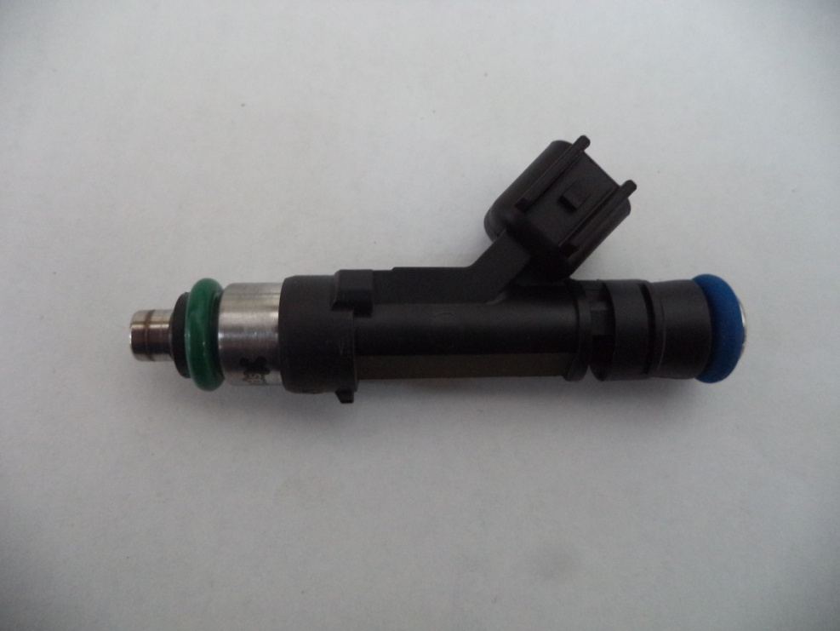
Injector Info

 | Manufacturer |  | Xspurt
 | Part No. |  | HP525L
 | Resistance (Ω) |  | 12.0

 | Vehicle |  | Not Available
 | Model |  | Not Available
 | Engine |  | Not Available

 | Peak Current |  | 4.0 |  | A |  | Minimum Volume |  |  | 1.00 | µl
 | Hold Current |  | 0.30 |  | A |  | Ref Flow @ |  | 300 kPa g | 9.24 | ml/s
 | Peak Time |  | 7.0 |  | ms |  | Ref Flow @ |  | 400 kPa g | 10.70 | ml/s
 | Off Time |  | Not Available |  | ms |  | Ref Flow @ |  | 500 kPa g | 11.99 | ml/s
 | Pin Drive |  | Saturated |  |  |  | Ref Flow @ |  | 600 kPa g | 13.10 | ml/s
 |  |  |  |  |  |  | Ref Flow @ |  |  |  | ml/s

Voltages : |  | 8 | 10 | 12 | 14 | 16

Pulse widths (ms), dependend on voltage (V), fuel differential pressure (horizontal, kPa) and fuel volume (vertical, μl)

8 Volt |  |  |  |  |  |  | 10 Volt |  |  |  |  |  | 12 Volt |  |  |  |  |  | 14 Volt |  |  |  |  |  | 16 Volt

M1 | v2 |  |  |  |  |  | M1 | v2 |  |  |  |  | M1 | v2 |  |  |  |  | M1 | v2 |  |  |  |  | M1 | v2
Body | ms |  |  |  |  |  | Body | ms |  |  |  |  | Body | ms |  |  |  |  | Body | ms |  |  |  |  | Body | ms
Cols | dkPa | Fuel Pressure Differential |  |  |  |  | Cols | dkPa | Fuel Pressure Differential |  |  |  | Cols | dkPa | Fuel Pressure Differential |  |  |  | Cols | dkPa | Fuel Pressure Differential |  |  |  | Cols | dkPa | Fuel Pressure Differential
Rows | ul | Fuel Cylinder 1 Output Pulse Volume |  |  |  |  | Rows | ul | Fuel Cylinder 1 Output Pulse Volume |  |  |  | Rows | ul | Fuel Cylinder 1 Output Pulse Volume |  |  |  | Rows | ul | Fuel Cylinder 1 Output Pulse Volume |  |  |  | Rows | ul | Fuel Cylinder 1 Output Pulse Volume
 | 300 | 400 | 500 | 600 |  |  |  | 300 | 400 | 500 | 600 |  |  | 300 | 400 | 500 | 600 |  |  | 300 | 400 | 500 | 600 |  |  | 300 | 400 | 500 | 600
1.00 | 2.637 | 2.900 | 3.396 | 4.378 |  |  | 1.00 | 1.867 | 1.999 | 2.163 | 2.363 |  | 1.00 | 1.468 | 1.556 | 1.649 | 1.751 |  | 1.00 | 1.213 | 1.275 | 1.348 | 1.420 |  | 1.00 | 1.040 | 1.089 | 1.144 | 1.217
2.50 | 2.700 | 2.973 | 3.467 | 4.393 |  |  | 2.50 | 1.921 | 2.044 | 2.212 | 2.416 |  | 2.50 | 1.511 | 1.592 | 1.691 | 1.801 |  | 2.50 | 1.258 | 1.306 | 1.379 | 1.460 |  | 2.50 | 1.083 | 1.138 | 1.175 | 1.237
4.00 | 2.754 | 3.036 | 3.545 | 4.399 |  |  | 4.00 | 1.962 | 2.076 | 2.249 | 2.450 |  | 4.00 | 1.545 | 1.620 | 1.722 | 1.832 |  | 4.00 | 1.297 | 1.335 | 1.406 | 1.484 |  | 4.00 | 1.129 | 1.147 | 1.210 | 1.264
5.50 | 2.845 | 3.080 | 3.570 | 4.447 |  |  | 5.50 | 2.041 | 2.096 | 2.278 | 2.479 |  | 5.50 | 1.602 | 1.637 | 1.744 | 1.850 |  | 5.50 | 1.387 | 1.353 | 1.423 | 1.501 |  | 5.50 | 1.238 | 1.167 | 1.220 | 1.275
7.00 | 2.966 | 3.107 | 3.593 | 4.452 |  |  | 7.00 | 2.187 | 2.117 | 2.302 | 2.499 |  | 7.00 | 1.794 | 1.652 | 1.762 | 1.865 |  | 7.00 | 1.536 | 1.372 | 1.438 | 1.515 |  | 7.00 | 1.348 | 1.189 | 1.229 | 1.285
8.50 | 3.137 | 3.134 | 3.616 | 4.458 |  |  | 8.50 | 2.365 | 2.166 | 2.325 | 2.523 |  | 8.50 | 1.959 | 1.668 | 1.797 | 1.889 |  | 8.50 | 1.700 | 1.461 | 1.451 | 1.539 |  | 8.50 | 1.517 | 1.268 | 1.240 | 1.295
10.00 | 3.300 | 3.169 | 3.618 | 4.464 |  |  | 10.00 | 2.507 | 2.241 | 2.352 | 2.547 |  | 10.00 | 2.106 | 1.795 | 1.864 | 1.949 |  | 10.00 | 1.841 | 1.525 | 1.566 | 1.598 |  | 10.00 | 1.657 | 1.334 | 1.351 | 1.356
11.50 | 3.460 | 3.273 | 3.657 | 4.469 |  |  | 11.50 | 2.667 | 2.338 | 2.435 | 2.594 |  | 11.50 | 2.259 | 1.860 | 1.926 | 2.009 |  | 11.50 | 2.000 | 1.585 | 1.618 | 1.658 |  | 11.50 | 1.836 | 1.395 | 1.404 | 1.428
13.00 | 3.619 | 3.355 | 3.731 | 4.475 |  |  | 13.00 | 2.832 | 2.410 | 2.514 | 2.665 |  | 13.00 | 2.422 | 1.960 | 1.984 | 2.062 |  | 13.00 | 2.166 | 1.688 | 1.670 | 1.716 |  | 13.00 | 2.001 | 1.489 | 1.461 | 1.474
14.50 | 3.784 | 3.451 | 3.825 | 4.511 |  |  | 14.50 | 2.995 | 2.499 | 2.596 | 2.726 |  | 14.50 | 2.586 | 2.054 | 2.070 | 2.115 |  | 14.50 | 2.332 | 1.776 | 1.754 | 1.777 |  | 14.50 | 2.152 | 1.588 | 1.543 | 1.534
16.00 | 3.950 | 3.561 | 3.914 | 4.570 |  |  | 16.00 | 3.161 | 2.594 | 2.677 | 2.798 |  | 16.00 | 2.751 | 2.145 | 2.157 | 2.199 |  | 16.00 | 2.498 | 1.863 | 1.840 | 1.851 |  | 16.00 | 2.315 | 1.675 | 1.635 | 1.615
17.50 | 4.116 | 3.658 | 4.002 | 4.623 |  |  | 17.50 | 3.327 | 2.689 | 2.758 | 2.878 |  | 17.50 | 2.915 | 2.237 | 2.243 | 2.283 |  | 17.50 | 2.663 | 1.951 | 1.925 | 1.926 |  | 17.50 | 2.484 | 1.759 | 1.715 | 1.699
19.00 | 4.281 | 3.751 | 4.090 | 4.722 |  |  | 19.00 | 3.493 | 2.782 | 2.839 | 2.961 |  | 19.00 | 3.082 | 2.330 | 2.320 | 2.355 |  | 19.00 | 2.825 | 2.046 | 2.006 | 2.000 |  | 19.00 | 2.647 | 1.855 | 1.785 | 1.765
20.50 | 4.447 | 3.844 | 4.178 | 4.838 |  |  | 20.50 | 3.660 | 2.875 | 2.920 | 3.038 |  | 20.50 | 3.247 | 2.424 | 2.397 | 2.427 |  | 20.50 | 2.986 | 2.140 | 2.088 | 2.075 |  | 20.50 | 2.808 | 1.950 | 1.869 | 1.832
22.00 | 4.612 | 3.936 | 4.265 | 4.961 |  |  | 22.00 | 3.826 | 2.968 | 3.002 | 3.109 |  | 22.00 | 3.413 | 2.518 | 2.474 | 2.499 |  | 22.00 | 3.154 | 2.235 | 2.169 | 2.149 |  | 22.00 | 2.968 | 2.042 | 1.952 | 1.909
23.50 | 4.777 | 4.031 | 4.354 | 5.077 |  |  | 23.50 | 3.992 | 3.067 | 3.089 | 3.188 |  | 23.50 | 3.578 | 2.612 | 2.552 | 2.571 |  | 23.50 | 3.323 | 2.330 | 2.250 | 2.224 |  | 23.50 | 3.131 | 2.135 | 2.036 | 1.989
25.00 | 4.945 | 4.127 | 4.444 | 5.157 |  |  | 25.00 | 4.157 | 3.166 | 3.175 | 3.268 |  | 25.00 | 3.744 | 2.707 | 2.638 | 2.648 |  | 25.00 | 3.487 | 2.426 | 2.334 | 2.302 |  | 25.00 | 3.294 | 2.229 | 2.122 | 2.064
26.50 | 5.112 | 4.223 | 4.535 | 5.247 |  |  | 26.50 | 4.322 | 3.265 | 3.260 | 3.349 |  | 26.50 | 3.910 | 2.803 | 2.724 | 2.725 |  | 26.50 | 3.652 | 2.523 | 2.418 | 2.380 |  | 26.50 | 3.456 | 2.324 | 2.209 | 2.145
28.00 | 5.280 | 4.318 | 4.625 | 5.334 |  |  | 28.00 | 4.487 | 3.363 | 3.346 | 3.430 |  | 28.00 | 4.077 | 2.898 | 2.811 | 2.802 |  | 28.00 | 3.816 | 2.620 | 2.502 | 2.459 |  | 28.00 | 3.619 | 2.418 | 2.293 | 2.224
29.50 | 5.447 | 4.427 | 4.719 | 5.418 |  |  | 29.50 | 4.651 | 3.462 | 3.437 | 3.514 |  | 29.50 | 4.243 | 2.993 | 2.898 | 2.879 |  | 29.50 | 3.981 | 2.717 | 2.586 | 2.537 |  | 29.50 | 3.782 | 2.513 | 2.377 | 2.300

* marked columns contain extrapolated data

Pulse widths (ms), dependend on fuel differential pressure (kPa), voltage (horizontal, V) and fuel volume (vertical, μl)

300 |  |  |  |  |  |  | 400 |  |  |  |  |  | 500 |  |  |  |  |  | 600

 | 8 | 10 | 12 | 14 | 16 |  |  | 8 | 10 | 12 | 14 | 16 |  | 8 | 10 | 12 | 14 | 16 |  | 8 | 10 | 12 | 14 | 16
1.00 | 2.637 | 1.867 | 1.468 | 1.213 | 1.040 |  | 1.00 | 2.900 | 1.999 | 1.556 | 1.275 | 1.089 | 1.00 | 3.396 | 2.163 | 1.649 | 1.348 | 1.144 | 1.00 | 4.378 | 2.363 | 1.751 | 1.420 | 1.217
2.50 | 2.700 | 1.921 | 1.511 | 1.258 | 1.083 |  | 2.50 | 2.973 | 2.044 | 1.592 | 1.306 | 1.138 | 2.50 | 3.467 | 2.212 | 1.691 | 1.379 | 1.175 | 2.50 | 4.393 | 2.416 | 1.801 | 1.460 | 1.237
4.00 | 2.754 | 1.962 | 1.545 | 1.297 | 1.129 |  | 4.00 | 3.036 | 2.076 | 1.620 | 1.335 | 1.147 | 4.00 | 3.545 | 2.249 | 1.722 | 1.406 | 1.210 | 4.00 | 4.399 | 2.450 | 1.832 | 1.484 | 1.264
5.50 | 2.845 | 2.041 | 1.602 | 1.387 | 1.238 |  | 5.50 | 3.080 | 2.096 | 1.637 | 1.353 | 1.167 | 5.50 | 3.570 | 2.278 | 1.744 | 1.423 | 1.220 | 5.50 | 4.447 | 2.479 | 1.850 | 1.501 | 1.275
7.00 | 2.966 | 2.187 | 1.794 | 1.536 | 1.348 |  | 7.00 | 3.107 | 2.117 | 1.652 | 1.372 | 1.189 | 7.00 | 3.593 | 2.302 | 1.762 | 1.438 | 1.229 | 7.00 | 4.452 | 2.499 | 1.865 | 1.515 | 1.285
8.50 | 3.137 | 2.365 | 1.959 | 1.700 | 1.517 |  | 8.50 | 3.134 | 2.166 | 1.668 | 1.461 | 1.268 | 8.50 | 3.616 | 2.325 | 1.797 | 1.451 | 1.240 | 8.50 | 4.458 | 2.523 | 1.889 | 1.539 | 1.295
10.00 | 3.300 | 2.507 | 2.106 | 1.841 | 1.657 |  | 10.00 | 3.169 | 2.241 | 1.795 | 1.525 | 1.334 | 10.00 | 3.618 | 2.352 | 1.864 | 1.566 | 1.351 | 10.00 | 4.464 | 2.547 | 1.949 | 1.598 | 1.356
11.50 | 3.460 | 2.667 | 2.259 | 2.000 | 1.836 |  | 11.50 | 3.273 | 2.338 | 1.860 | 1.585 | 1.395 | 11.50 | 3.657 | 2.435 | 1.926 | 1.618 | 1.404 | 11.50 | 4.469 | 2.594 | 2.009 | 1.658 | 1.428
13.00 | 3.619 | 2.832 | 2.422 | 2.166 | 2.001 |  | 13.00 | 3.355 | 2.410 | 1.960 | 1.688 | 1.489 | 13.00 | 3.731 | 2.514 | 1.984 | 1.670 | 1.461 | 13.00 | 4.475 | 2.665 | 2.062 | 1.716 | 1.474
14.50 | 3.784 | 2.995 | 2.586 | 2.332 | 2.152 |  | 14.50 | 3.451 | 2.499 | 2.054 | 1.776 | 1.588 | 14.50 | 3.825 | 2.596 | 2.070 | 1.754 | 1.543 | 14.50 | 4.511 | 2.726 | 2.115 | 1.777 | 1.534
16.00 | 3.950 | 3.161 | 2.751 | 2.498 | 2.315 |  | 16.00 | 3.561 | 2.594 | 2.145 | 1.863 | 1.675 | 16.00 | 3.914 | 2.677 | 2.157 | 1.840 | 1.635 | 16.00 | 4.570 | 2.798 | 2.199 | 1.851 | 1.615
17.50 | 4.116 | 3.327 | 2.915 | 2.663 | 2.484 |  | 17.50 | 3.658 | 2.689 | 2.237 | 1.951 | 1.759 | 17.50 | 4.002 | 2.758 | 2.243 | 1.925 | 1.715 | 17.50 | 4.623 | 2.878 | 2.283 | 1.926 | 1.699
19.00 | 4.281 | 3.493 | 3.082 | 2.825 | 2.647 |  | 19.00 | 3.751 | 2.782 | 2.330 | 2.046 | 1.855 | 19.00 | 4.090 | 2.839 | 2.320 | 2.006 | 1.785 | 19.00 | 4.722 | 2.961 | 2.355 | 2.000 | 1.765
20.50 | 4.447 | 3.660 | 3.247 | 2.986 | 2.808 |  | 20.50 | 3.844 | 2.875 | 2.424 | 2.140 | 1.950 | 20.50 | 4.178 | 2.920 | 2.397 | 2.088 | 1.869 | 20.50 | 4.838 | 3.038 | 2.427 | 2.075 | 1.832
22.00 | 4.612 | 3.826 | 3.413 | 3.154 | 2.968 |  | 22.00 | 3.936 | 2.968 | 2.518 | 2.235 | 2.042 | 22.00 | 4.265 | 3.002 | 2.474 | 2.169 | 1.952 | 22.00 | 4.961 | 3.109 | 2.499 | 2.149 | 1.909
23.50 | 4.777 | 3.992 | 3.578 | 3.323 | 3.131 |  | 23.50 | 4.031 | 3.067 | 2.612 | 2.330 | 2.135 | 23.50 | 4.354 | 3.089 | 2.552 | 2.250 | 2.036 | 23.50 | 5.077 | 3.188 | 2.571 | 2.224 | 1.989
25.00 | 4.945 | 4.157 | 3.744 | 3.487 | 3.294 |  | 25.00 | 4.127 | 3.166 | 2.707 | 2.426 | 2.229 | 25.00 | 4.444 | 3.175 | 2.638 | 2.334 | 2.122 | 25.00 | 5.157 | 3.268 | 2.648 | 2.302 | 2.064
26.50 | 5.112 | 4.322 | 3.910 | 3.652 | 3.456 |  | 26.50 | 4.223 | 3.265 | 2.803 | 2.523 | 2.324 | 26.50 | 4.535 | 3.260 | 2.724 | 2.418 | 2.209 | 26.50 | 5.247 | 3.349 | 2.725 | 2.380 | 2.145
28.00 | 5.280 | 4.487 | 4.077 | 3.816 | 3.619 |  | 28.00 | 4.318 | 3.363 | 2.898 | 2.620 | 2.418 | 28.00 | 4.625 | 3.346 | 2.811 | 2.502 | 2.293 | 28.00 | 5.334 | 3.430 | 2.802 | 2.459 | 2.224
29.50 | 5.447 | 4.651 | 4.243 | 3.981 | 3.782 |  | 29.50 | 4.427 | 3.462 | 2.993 | 2.717 | 2.513 | 29.50 | 4.719 | 3.437 | 2.898 | 2.586 | 2.377 | 29.50 | 5.418 | 3.514 | 2.879 | 2.537 | 2.300

* marked columns contain extrapolated data

