M1 ECU Set-Up New
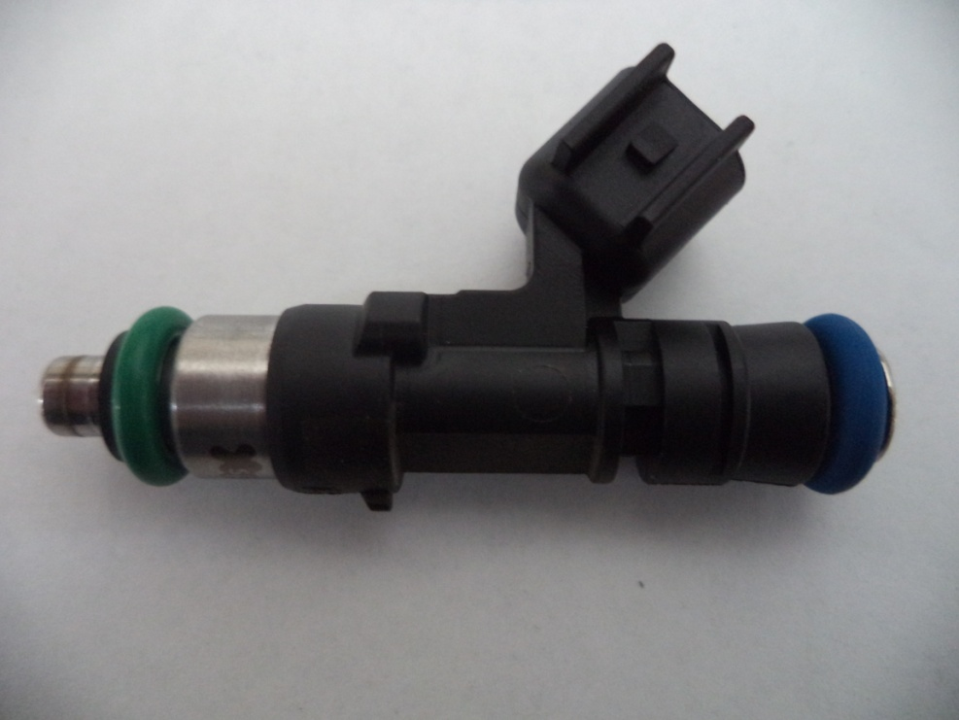
Injector Info

 | Manufacturer |  | Xspurt
 | Part No. |  | HP525M
 | Resistance (Ω) |  | 12.0

 | Vehicle |  | Not Available
 | Model |  | Not Available
 | Engine |  | Not Available

 | Peak Current |  | 4.0 |  | A |  | Minimum Volume |  |  | 1.00 | µl
 | Hold Current |  | 0.30 |  | A |  | Ref Flow @ |  | 300 kPa g | 9.29 | ml/s
 | Peak Time |  | 7.0 |  | ms |  | Ref Flow @ |  | 400 kPa g | 10.75 | ml/s
 | Off Time |  | Not Available |  | ms |  | Ref Flow @ |  | 500 kPa g | 12.02 | ml/s
 | Pin Drive |  | Saturated |  |  |  | Ref Flow @ |  | 600 kPa g | 13.12 | ml/s
 |  |  |  |  |  |  | Ref Flow @ |  |  |  | ml/s

Voltages : |  | 8 | 10 | 12 | 14 | 16

Pulse widths (ms), dependend on voltage (V), fuel differential pressure (horizontal, kPa) and fuel volume (vertical, μl)

8 Volt |  |  |  |  |  |  | 10 Volt |  |  |  |  |  | 12 Volt |  |  |  |  |  | 14 Volt |  |  |  |  |  | 16 Volt

M1 | v2 |  |  |  |  |  | M1 | v2 |  |  |  |  | M1 | v2 |  |  |  |  | M1 | v2 |  |  |  |  | M1 | v2
Body | ms |  |  |  |  |  | Body | ms |  |  |  |  | Body | ms |  |  |  |  | Body | ms |  |  |  |  | Body | ms
Cols | dkPa | Fuel Pressure Differential |  |  |  |  | Cols | dkPa | Fuel Pressure Differential |  |  |  | Cols | dkPa | Fuel Pressure Differential |  |  |  | Cols | dkPa | Fuel Pressure Differential |  |  |  | Cols | dkPa | Fuel Pressure Differential
Rows | ul | Fuel Cylinder 1 Output Pulse Volume |  |  |  |  | Rows | ul | Fuel Cylinder 1 Output Pulse Volume |  |  |  | Rows | ul | Fuel Cylinder 1 Output Pulse Volume |  |  |  | Rows | ul | Fuel Cylinder 1 Output Pulse Volume |  |  |  | Rows | ul | Fuel Cylinder 1 Output Pulse Volume
 | 300 | 400 | 500 | 600 |  |  |  | 300 | 400 | 500 | 600 |  |  | 300 | 400 | 500 | 600 |  |  | 300 | 400 | 500 | 600 |  |  | 300 | 400 | 500 | 600
1.00 | 2.451 | 2.711 | 3.078 | 3.668 |  |  | 1.00 | 1.769 | 1.898 | 2.055 | 2.224 |  | 1.00 | 1.406 | 1.490 | 1.580 | 1.677 |  | 1.00 | 1.167 | 1.226 | 1.294 | 1.369 |  | 1.00 | 1.023 | 1.059 | 1.126 | 1.174
2.00 | 2.507 | 2.772 | 3.137 | 3.714 |  |  | 2.00 | 1.818 | 1.945 | 2.110 | 2.287 |  | 2.00 | 1.445 | 1.528 | 1.630 | 1.722 |  | 2.00 | 1.203 | 1.259 | 1.335 | 1.406 |  | 2.00 | 1.043 | 1.090 | 1.145 | 1.193
3.00 | 2.546 | 2.816 | 3.177 | 3.747 |  |  | 3.00 | 1.851 | 1.982 | 2.136 | 2.319 |  | 3.00 | 1.471 | 1.559 | 1.659 | 1.752 |  | 3.00 | 1.225 | 1.283 | 1.359 | 1.432 |  | 3.00 | 1.064 | 1.115 | 1.172 | 1.221
4.00 | 2.596 | 2.840 | 3.223 | 3.765 |  |  | 4.00 | 1.874 | 2.004 | 2.164 | 2.344 |  | 4.00 | 1.495 | 1.578 | 1.679 | 1.772 |  | 4.00 | 1.257 | 1.306 | 1.377 | 1.449 |  | 4.00 | 1.092 | 1.130 | 1.184 | 1.234
5.00 | 2.666 | 2.864 | 3.254 | 3.807 |  |  | 5.00 | 1.979 | 2.057 | 2.208 | 2.370 |  | 5.00 | 1.589 | 1.620 | 1.724 | 1.791 |  | 5.00 | 1.335 | 1.328 | 1.415 | 1.465 |  | 5.00 | 1.173 | 1.145 | 1.196 | 1.244
6.00 | 2.764 | 2.963 | 3.281 | 3.821 |  |  | 6.00 | 2.036 | 2.116 | 2.251 | 2.400 |  | 6.00 | 1.656 | 1.706 | 1.772 | 1.806 |  | 6.00 | 1.408 | 1.460 | 1.482 | 1.480 |  | 6.00 | 1.237 | 1.269 | 1.262 | 1.278
7.00 | 2.817 | 3.015 | 3.318 | 3.835 |  |  | 7.00 | 2.093 | 2.188 | 2.295 | 2.455 |  | 7.00 | 1.726 | 1.765 | 1.820 | 1.817 |  | 7.00 | 1.481 | 1.496 | 1.536 | 1.530 |  | 7.00 | 1.300 | 1.295 | 1.332 | 1.346
8.00 | 2.873 | 3.061 | 3.376 | 3.852 |  |  | 8.00 | 2.196 | 2.241 | 2.343 | 2.499 |  | 8.00 | 1.820 | 1.796 | 1.860 | 1.931 |  | 8.00 | 1.583 | 1.536 | 1.569 | 1.613 |  | 8.00 | 1.406 | 1.345 | 1.371 | 1.403
9.00 | 2.969 | 3.107 | 3.431 | 3.910 |  |  | 9.00 | 2.304 | 2.305 | 2.401 | 2.537 |  | 9.00 | 1.907 | 1.886 | 1.911 | 1.979 |  | 9.00 | 1.671 | 1.626 | 1.615 | 1.652 |  | 9.00 | 1.492 | 1.440 | 1.400 | 1.430
10.00 | 3.064 | 3.187 | 3.485 | 3.948 |  |  | 10.00 | 2.400 | 2.388 | 2.470 | 2.583 |  | 10.00 | 2.013 | 1.971 | 1.988 | 2.022 |  | 10.00 | 1.775 | 1.711 | 1.689 | 1.692 |  | 10.00 | 1.590 | 1.523 | 1.497 | 1.478
11.00 | 3.163 | 3.273 | 3.540 | 3.985 |  |  | 11.00 | 2.496 | 2.473 | 2.540 | 2.636 |  | 11.00 | 2.119 | 2.055 | 2.064 | 2.103 |  | 11.00 | 1.879 | 1.795 | 1.764 | 1.771 |  | 11.00 | 1.697 | 1.598 | 1.575 | 1.568
12.00 | 3.261 | 3.358 | 3.619 | 4.048 |  |  | 12.00 | 2.592 | 2.557 | 2.609 | 2.706 |  | 12.00 | 2.224 | 2.139 | 2.141 | 2.182 |  | 12.00 | 1.983 | 1.879 | 1.839 | 1.851 |  | 12.00 | 1.811 | 1.692 | 1.643 | 1.639
13.00 | 3.368 | 3.452 | 3.699 | 4.112 |  |  | 13.00 | 2.697 | 2.650 | 2.692 | 2.781 |  | 13.00 | 2.332 | 2.233 | 2.222 | 2.253 |  | 13.00 | 2.092 | 1.975 | 1.922 | 1.925 |  | 13.00 | 1.923 | 1.784 | 1.723 | 1.704
14.00 | 3.476 | 3.548 | 3.779 | 4.176 |  |  | 14.00 | 2.804 | 2.744 | 2.775 | 2.856 |  | 14.00 | 2.439 | 2.328 | 2.302 | 2.324 |  | 14.00 | 2.200 | 2.072 | 2.006 | 1.999 |  | 14.00 | 2.030 | 1.883 | 1.803 | 1.774
15.00 | 3.584 | 3.644 | 3.860 | 4.240 |  |  | 15.00 | 2.910 | 2.839 | 2.857 | 2.931 |  | 15.00 | 2.547 | 2.423 | 2.382 | 2.394 |  | 15.00 | 2.309 | 2.168 | 2.089 | 2.072 |  | 15.00 | 2.134 | 1.979 | 1.894 | 1.849
16.00 | 3.693 | 3.740 | 3.948 | 4.310 |  |  | 16.00 | 3.021 | 2.933 | 2.940 | 3.009 |  | 16.00 | 2.655 | 2.518 | 2.463 | 2.465 |  | 16.00 | 2.417 | 2.264 | 2.172 | 2.146 |  | 16.00 | 2.237 | 2.072 | 1.979 | 1.933
17.00 | 3.805 | 3.837 | 4.037 | 4.397 |  |  | 17.00 | 3.133 | 3.028 | 3.029 | 3.087 |  | 17.00 | 2.763 | 2.613 | 2.547 | 2.544 |  | 17.00 | 2.526 | 2.358 | 2.256 | 2.224 |  | 17.00 | 2.347 | 2.166 | 2.066 | 2.012
18.00 | 3.918 | 3.935 | 4.126 | 4.484 |  |  | 18.00 | 3.245 | 3.128 | 3.117 | 3.165 |  | 18.00 | 2.872 | 2.707 | 2.631 | 2.626 |  | 18.00 | 2.634 | 2.451 | 2.340 | 2.302 |  | 18.00 | 2.457 | 2.260 | 2.152 | 2.091
19.00 | 4.030 | 4.033 | 4.213 | 4.572 |  |  | 19.00 | 3.356 | 3.228 | 3.205 | 3.244 |  | 19.00 | 2.981 | 2.802 | 2.716 | 2.707 |  | 19.00 | 2.743 | 2.544 | 2.424 | 2.380 |  | 19.00 | 2.567 | 2.354 | 2.237 | 2.166
20.00 | 4.143 | 4.131 | 4.293 | 4.662 |  |  | 20.00 | 3.467 | 3.329 | 3.294 | 3.326 |  | 20.00 | 3.097 | 2.897 | 2.800 | 2.789 |  | 20.00 | 2.852 | 2.638 | 2.507 | 2.457 |  | 20.00 | 2.677 | 2.448 | 2.320 | 2.243

* marked columns contain extrapolated data

Pulse widths (ms), dependend on fuel differential pressure (kPa), voltage (horizontal, V) and fuel volume (vertical, μl)

300 |  |  |  |  |  |  | 400 |  |  |  |  |  | 500 |  |  |  |  |  | 600

 | 8 | 10 | 12 | 14 | 16 |  |  | 8 | 10 | 12 | 14 | 16 |  | 8 | 10 | 12 | 14 | 16 |  | 8 | 10 | 12 | 14 | 16
1.00 | 2.451 | 1.769 | 1.406 | 1.167 | 1.023 |  | 1.00 | 2.711 | 1.898 | 1.490 | 1.226 | 1.059 | 1.00 | 3.078 | 2.055 | 1.580 | 1.294 | 1.126 | 1.00 | 3.668 | 2.224 | 1.677 | 1.369 | 1.174
2.00 | 2.507 | 1.818 | 1.445 | 1.203 | 1.043 |  | 2.00 | 2.772 | 1.945 | 1.528 | 1.259 | 1.090 | 2.00 | 3.137 | 2.110 | 1.630 | 1.335 | 1.145 | 2.00 | 3.714 | 2.287 | 1.722 | 1.406 | 1.193
3.00 | 2.546 | 1.851 | 1.471 | 1.225 | 1.064 |  | 3.00 | 2.816 | 1.982 | 1.559 | 1.283 | 1.115 | 3.00 | 3.177 | 2.136 | 1.659 | 1.359 | 1.172 | 3.00 | 3.747 | 2.319 | 1.752 | 1.432 | 1.221
4.00 | 2.596 | 1.874 | 1.495 | 1.257 | 1.092 |  | 4.00 | 2.840 | 2.004 | 1.578 | 1.306 | 1.130 | 4.00 | 3.223 | 2.164 | 1.679 | 1.377 | 1.184 | 4.00 | 3.765 | 2.344 | 1.772 | 1.449 | 1.234
5.00 | 2.666 | 1.979 | 1.589 | 1.335 | 1.173 |  | 5.00 | 2.864 | 2.057 | 1.620 | 1.328 | 1.145 | 5.00 | 3.254 | 2.208 | 1.724 | 1.415 | 1.196 | 5.00 | 3.807 | 2.370 | 1.791 | 1.465 | 1.244
6.00 | 2.764 | 2.036 | 1.656 | 1.408 | 1.237 |  | 6.00 | 2.963 | 2.116 | 1.706 | 1.460 | 1.269 | 6.00 | 3.281 | 2.251 | 1.772 | 1.482 | 1.262 | 6.00 | 3.821 | 2.400 | 1.806 | 1.480 | 1.278
7.00 | 2.817 | 2.093 | 1.726 | 1.481 | 1.300 |  | 7.00 | 3.015 | 2.188 | 1.765 | 1.496 | 1.295 | 7.00 | 3.318 | 2.295 | 1.820 | 1.536 | 1.332 | 7.00 | 3.835 | 2.455 | 1.817 | 1.530 | 1.346
8.00 | 2.873 | 2.196 | 1.820 | 1.583 | 1.406 |  | 8.00 | 3.061 | 2.241 | 1.796 | 1.536 | 1.345 | 8.00 | 3.376 | 2.343 | 1.860 | 1.569 | 1.371 | 8.00 | 3.852 | 2.499 | 1.931 | 1.613 | 1.403
9.00 | 2.969 | 2.304 | 1.907 | 1.671 | 1.492 |  | 9.00 | 3.107 | 2.305 | 1.886 | 1.626 | 1.440 | 9.00 | 3.431 | 2.401 | 1.911 | 1.615 | 1.400 | 9.00 | 3.910 | 2.537 | 1.979 | 1.652 | 1.430
10.00 | 3.064 | 2.400 | 2.013 | 1.775 | 1.590 |  | 10.00 | 3.187 | 2.388 | 1.971 | 1.711 | 1.523 | 10.00 | 3.485 | 2.470 | 1.988 | 1.689 | 1.497 | 10.00 | 3.948 | 2.583 | 2.022 | 1.692 | 1.478
11.00 | 3.163 | 2.496 | 2.119 | 1.879 | 1.697 |  | 11.00 | 3.273 | 2.473 | 2.055 | 1.795 | 1.598 | 11.00 | 3.540 | 2.540 | 2.064 | 1.764 | 1.575 | 11.00 | 3.985 | 2.636 | 2.103 | 1.771 | 1.568
12.00 | 3.261 | 2.592 | 2.224 | 1.983 | 1.811 |  | 12.00 | 3.358 | 2.557 | 2.139 | 1.879 | 1.692 | 12.00 | 3.619 | 2.609 | 2.141 | 1.839 | 1.643 | 12.00 | 4.048 | 2.706 | 2.182 | 1.851 | 1.639
13.00 | 3.368 | 2.697 | 2.332 | 2.092 | 1.923 |  | 13.00 | 3.452 | 2.650 | 2.233 | 1.975 | 1.784 | 13.00 | 3.699 | 2.692 | 2.222 | 1.922 | 1.723 | 13.00 | 4.112 | 2.781 | 2.253 | 1.925 | 1.704
14.00 | 3.476 | 2.804 | 2.439 | 2.200 | 2.030 |  | 14.00 | 3.548 | 2.744 | 2.328 | 2.072 | 1.883 | 14.00 | 3.779 | 2.775 | 2.302 | 2.006 | 1.803 | 14.00 | 4.176 | 2.856 | 2.324 | 1.999 | 1.774
15.00 | 3.584 | 2.910 | 2.547 | 2.309 | 2.134 |  | 15.00 | 3.644 | 2.839 | 2.423 | 2.168 | 1.979 | 15.00 | 3.860 | 2.857 | 2.382 | 2.089 | 1.894 | 15.00 | 4.240 | 2.931 | 2.394 | 2.072 | 1.849
16.00 | 3.693 | 3.021 | 2.655 | 2.417 | 2.237 |  | 16.00 | 3.740 | 2.933 | 2.518 | 2.264 | 2.072 | 16.00 | 3.948 | 2.940 | 2.463 | 2.172 | 1.979 | 16.00 | 4.310 | 3.009 | 2.465 | 2.146 | 1.933
17.00 | 3.805 | 3.133 | 2.763 | 2.526 | 2.347 |  | 17.00 | 3.837 | 3.028 | 2.613 | 2.358 | 2.166 | 17.00 | 4.037 | 3.029 | 2.547 | 2.256 | 2.066 | 17.00 | 4.397 | 3.087 | 2.544 | 2.224 | 2.012
18.00 | 3.918 | 3.245 | 2.872 | 2.634 | 2.457 |  | 18.00 | 3.935 | 3.128 | 2.707 | 2.451 | 2.260 | 18.00 | 4.126 | 3.117 | 2.631 | 2.340 | 2.152 | 18.00 | 4.484 | 3.165 | 2.626 | 2.302 | 2.091
19.00 | 4.030 | 3.356 | 2.981 | 2.743 | 2.567 |  | 19.00 | 4.033 | 3.228 | 2.802 | 2.544 | 2.354 | 19.00 | 4.213 | 3.205 | 2.716 | 2.424 | 2.237 | 19.00 | 4.572 | 3.244 | 2.707 | 2.380 | 2.166
20.00 | 4.143 | 3.467 | 3.097 | 2.852 | 2.677 |  | 20.00 | 4.131 | 3.329 | 2.897 | 2.638 | 2.448 | 20.00 | 4.293 | 3.294 | 2.800 | 2.507 | 2.320 | 20.00 | 4.662 | 3.326 | 2.789 | 2.457 | 2.243

* marked columns contain extrapolated data

