M1 ECU Set-Up New
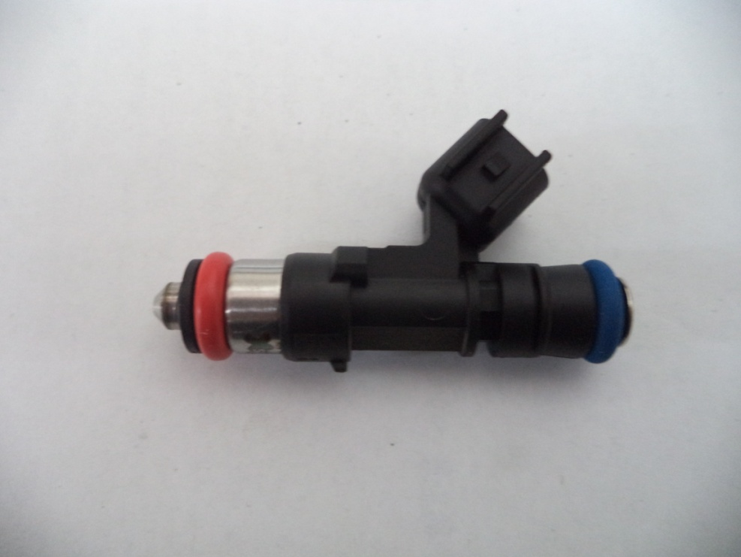
Injector Info

 | Manufacturer |  | Xspurt
 | Part No. |  | HP725M
 | Resistance (Ω) |  | 12.0

 | Vehicle |  | Not Available
 | Model |  | Not Available
 | Engine |  | Not Available

 | Peak Current |  | 4.0 |  | A |  | Minimum Volume |  |  | 1.00 | µl
 | Hold Current |  | 0.30 |  | A |  | Ref Flow @ |  | 300 kPa g | 12.63 | ml/s
 | Peak Time |  | 7.0 |  | ms |  | Ref Flow @ |  | 400 kPa g | 14.87 | ml/s
 | Off Time |  | Not Available |  | ms |  | Ref Flow @ |  | 500 kPa g | 16.99 | ml/s
 | Pin Drive |  | Saturated |  |  |  | Ref Flow @ |  | 600 kPa g | 18.70 | ml/s
 |  |  |  |  |  |  | Ref Flow @ |  |  |  | ml/s

Voltages : |  | 8 | 10 | 12 | 14 | 16

Pulse widths (ms), dependend on voltage (V), fuel differential pressure (horizontal, kPa) and fuel volume (vertical, μl)

8 Volt |  |  |  |  |  |  | 10 Volt |  |  |  |  |  | 12 Volt |  |  |  |  |  | 14 Volt |  |  |  |  |  | 16 Volt

M1 | v2 |  |  |  |  |  | M1 | v2 |  |  |  |  | M1 | v2 |  |  |  |  | M1 | v2 |  |  |  |  | M1 | v2
Body | ms |  |  |  |  |  | Body | ms |  |  |  |  | Body | ms |  |  |  |  | Body | ms |  |  |  |  | Body | ms
Cols | dkPa | Fuel Pressure Differential |  |  |  |  | Cols | dkPa | Fuel Pressure Differential |  |  |  | Cols | dkPa | Fuel Pressure Differential |  |  |  | Cols | dkPa | Fuel Pressure Differential |  |  |  | Cols | dkPa | Fuel Pressure Differential
Rows | ul | Fuel Cylinder 1 Output Pulse Volume |  |  |  |  | Rows | ul | Fuel Cylinder 1 Output Pulse Volume |  |  |  | Rows | ul | Fuel Cylinder 1 Output Pulse Volume |  |  |  | Rows | ul | Fuel Cylinder 1 Output Pulse Volume |  |  |  | Rows | ul | Fuel Cylinder 1 Output Pulse Volume
 | 300 | 400 | 500 | 600 |  |  |  | 300 | 400 | 500 | 600 |  |  | 300 | 400 | 500 | 600 |  |  | 300 | 400 | 500 | 600 |  |  | 300 | 400 | 500 | 600
1.00 | 2.288 | 2.484 | 2.713 | 3.019 |  |  | 1.00 | 1.681 | 1.787 | 1.906 | 2.036 |  | 1.00 | 1.346 | 1.415 | 1.492 | 1.568 |  | 1.00 | 1.119 | 1.175 | 1.234 | 1.292 |  | 1.00 | 0.963 | 1.011 | 1.065 | 1.104
2.50 | 2.347 | 2.541 | 2.789 | 3.093 |  |  | 2.50 | 1.731 | 1.833 | 1.963 | 2.103 |  | 2.50 | 1.389 | 1.458 | 1.541 | 1.620 |  | 2.50 | 1.158 | 1.213 | 1.270 | 1.340 |  | 2.50 | 1.008 | 1.049 | 1.096 | 1.143
4.00 | 2.398 | 2.584 | 2.832 | 3.137 |  |  | 4.00 | 1.786 | 1.864 | 1.990 | 2.139 |  | 4.00 | 1.451 | 1.491 | 1.569 | 1.654 |  | 4.00 | 1.222 | 1.245 | 1.295 | 1.366 |  | 4.00 | 1.062 | 1.085 | 1.124 | 1.169
5.50 | 2.521 | 2.662 | 2.877 | 3.174 |  |  | 5.50 | 1.888 | 1.980 | 2.021 | 2.163 |  | 5.50 | 1.555 | 1.606 | 1.610 | 1.683 |  | 5.50 | 1.328 | 1.356 | 1.351 | 1.390 |  | 5.50 | 1.163 | 1.170 | 1.176 | 1.196
7.00 | 2.626 | 2.768 | 2.963 | 3.239 |  |  | 7.00 | 2.010 | 2.079 | 2.154 | 2.231 |  | 7.00 | 1.668 | 1.700 | 1.730 | 1.784 |  | 7.00 | 1.440 | 1.442 | 1.468 | 1.505 |  | 7.00 | 1.269 | 1.262 | 1.287 | 1.293
8.50 | 2.730 | 2.838 | 3.061 | 3.312 |  |  | 8.50 | 2.131 | 2.141 | 2.237 | 2.348 |  | 8.50 | 1.780 | 1.762 | 1.812 | 1.876 |  | 8.50 | 1.550 | 1.513 | 1.539 | 1.583 |  | 8.50 | 1.382 | 1.339 | 1.350 | 1.372
10.00 | 2.843 | 2.936 | 3.142 | 3.416 |  |  | 10.00 | 2.237 | 2.237 | 2.309 | 2.416 |  | 10.00 | 1.887 | 1.859 | 1.886 | 1.934 |  | 10.00 | 1.655 | 1.609 | 1.607 | 1.637 |  | 10.00 | 1.488 | 1.434 | 1.420 | 1.434
11.50 | 2.957 | 3.042 | 3.230 | 3.488 |  |  | 11.50 | 2.344 | 2.337 | 2.396 | 2.495 |  | 11.50 | 1.995 | 1.959 | 1.973 | 2.014 |  | 11.50 | 1.761 | 1.706 | 1.694 | 1.716 |  | 11.50 | 1.599 | 1.531 | 1.515 | 1.508
13.00 | 3.079 | 3.140 | 3.319 | 3.560 |  |  | 13.00 | 2.467 | 2.437 | 2.483 | 2.575 |  | 13.00 | 2.116 | 2.059 | 2.060 | 2.094 |  | 13.00 | 1.886 | 1.802 | 1.781 | 1.795 |  | 13.00 | 1.724 | 1.625 | 1.598 | 1.590
14.50 | 3.198 | 3.240 | 3.408 | 3.640 |  |  | 14.50 | 2.585 | 2.538 | 2.571 | 2.655 |  | 14.50 | 2.235 | 2.160 | 2.148 | 2.172 |  | 14.50 | 2.006 | 1.905 | 1.868 | 1.875 |  | 14.50 | 1.846 | 1.729 | 1.676 | 1.665
16.00 | 3.316 | 3.340 | 3.500 | 3.721 |  |  | 16.00 | 2.703 | 2.640 | 2.661 | 2.734 |  | 16.00 | 2.354 | 2.262 | 2.238 | 2.250 |  | 16.00 | 2.126 | 2.008 | 1.960 | 1.955 |  | 16.00 | 1.971 | 1.835 | 1.772 | 1.747
17.50 | 3.435 | 3.442 | 3.591 | 3.802 |  |  | 17.50 | 2.821 | 2.741 | 2.752 | 2.814 |  | 17.50 | 2.473 | 2.364 | 2.328 | 2.327 |  | 17.50 | 2.246 | 2.111 | 2.051 | 2.035 |  | 17.50 | 2.088 | 1.939 | 1.865 | 1.834
19.00 | 3.553 | 3.544 | 3.681 | 3.886 |  |  | 19.00 | 2.939 | 2.842 | 2.842 | 2.896 |  | 19.00 | 2.592 | 2.466 | 2.418 | 2.411 |  | 19.00 | 2.366 | 2.214 | 2.141 | 2.118 |  | 19.00 | 2.203 | 2.040 | 1.957 | 1.917
20.50 | 3.673 | 3.646 | 3.770 | 3.971 |  |  | 20.50 | 3.062 | 2.943 | 2.932 | 2.978 |  | 20.50 | 2.714 | 2.567 | 2.507 | 2.496 |  | 20.50 | 2.484 | 2.317 | 2.230 | 2.201 |  | 20.50 | 2.327 | 2.139 | 2.052 | 2.002
22.00 | 3.793 | 3.748 | 3.860 | 4.056 |  |  | 22.00 | 3.179 | 3.045 | 3.022 | 3.067 |  | 22.00 | 2.835 | 2.669 | 2.597 | 2.581 |  | 22.00 | 2.603 | 2.419 | 2.320 | 2.285 |  | 22.00 | 2.448 | 2.238 | 2.136 | 2.086
23.50 | 3.913 | 3.851 | 3.949 | 4.141 |  |  | 23.50 | 3.297 | 3.148 | 3.112 | 3.158 |  | 23.50 | 2.956 | 2.771 | 2.687 | 2.665 |  | 23.50 | 2.721 | 2.522 | 2.409 | 2.368 |  | 23.50 | 2.568 | 2.341 | 2.220 | 2.165
25.00 | 4.034 | 3.954 | 4.043 | 4.228 |  |  | 25.00 | 3.418 | 3.253 | 3.204 | 3.240 |  | 25.00 | 3.076 | 2.875 | 2.779 | 2.747 |  | 25.00 | 2.845 | 2.625 | 2.501 | 2.449 |  | 25.00 | 2.688 | 2.444 | 2.310 | 2.245
26.50 | 4.156 | 4.056 | 4.137 | 4.314 |  |  | 26.50 | 3.539 | 3.358 | 3.297 | 3.322 |  | 26.50 | 3.197 | 2.979 | 2.871 | 2.828 |  | 26.50 | 2.969 | 2.727 | 2.592 | 2.530 |  | 26.50 | 2.808 | 2.547 | 2.401 | 2.327
28.00 | 4.277 | 4.159 | 4.230 | 4.401 |  |  | 28.00 | 3.661 | 3.463 | 3.389 | 3.404 |  | 28.00 | 3.318 | 3.080 | 2.963 | 2.910 |  | 28.00 | 3.089 | 2.830 | 2.683 | 2.612 |  | 28.00 | 2.928 | 2.649 | 2.492 | 2.410
29.50 | 4.398 | 4.266 | 4.324 | 4.487 |  |  | 29.50 | 3.782 | 3.568 | 3.482 | 3.486 |  | 29.50 | 3.439 | 3.181 | 3.063 | 3.001 |  | 29.50 | 3.208 | 2.933 | 2.774 | 2.695 |  | 29.50 | 3.047 | 2.752 | 2.583 | 2.493

* marked columns contain extrapolated data

Pulse widths (ms), dependend on fuel differential pressure (kPa), voltage (horizontal, V) and fuel volume (vertical, μl)

300 |  |  |  |  |  |  | 400 |  |  |  |  |  | 500 |  |  |  |  |  | 600

 | 8 | 10 | 12 | 14 | 16 |  |  | 8 | 10 | 12 | 14 | 16 |  | 8 | 10 | 12 | 14 | 16 |  | 8 | 10 | 12 | 14 | 16
1.00 | 2.288 | 1.681 | 1.346 | 1.119 | 0.963 |  | 1.00 | 2.484 | 1.787 | 1.415 | 1.175 | 1.011 | 1.00 | 2.713 | 1.906 | 1.492 | 1.234 | 1.065 | 1.00 | 3.019 | 2.036 | 1.568 | 1.292 | 1.104
2.50 | 2.347 | 1.731 | 1.389 | 1.158 | 1.008 |  | 2.50 | 2.541 | 1.833 | 1.458 | 1.213 | 1.049 | 2.50 | 2.789 | 1.963 | 1.541 | 1.270 | 1.096 | 2.50 | 3.093 | 2.103 | 1.620 | 1.340 | 1.143
4.00 | 2.398 | 1.786 | 1.451 | 1.222 | 1.062 |  | 4.00 | 2.584 | 1.864 | 1.491 | 1.245 | 1.085 | 4.00 | 2.832 | 1.990 | 1.569 | 1.295 | 1.124 | 4.00 | 3.137 | 2.139 | 1.654 | 1.366 | 1.169
5.50 | 2.521 | 1.888 | 1.555 | 1.328 | 1.163 |  | 5.50 | 2.662 | 1.980 | 1.606 | 1.356 | 1.170 | 5.50 | 2.877 | 2.021 | 1.610 | 1.351 | 1.176 | 5.50 | 3.174 | 2.163 | 1.683 | 1.390 | 1.196
7.00 | 2.626 | 2.010 | 1.668 | 1.440 | 1.269 |  | 7.00 | 2.768 | 2.079 | 1.700 | 1.442 | 1.262 | 7.00 | 2.963 | 2.154 | 1.730 | 1.468 | 1.287 | 7.00 | 3.239 | 2.231 | 1.784 | 1.505 | 1.293
8.50 | 2.730 | 2.131 | 1.780 | 1.550 | 1.382 |  | 8.50 | 2.838 | 2.141 | 1.762 | 1.513 | 1.339 | 8.50 | 3.061 | 2.237 | 1.812 | 1.539 | 1.350 | 8.50 | 3.312 | 2.348 | 1.876 | 1.583 | 1.372
10.00 | 2.843 | 2.237 | 1.887 | 1.655 | 1.488 |  | 10.00 | 2.936 | 2.237 | 1.859 | 1.609 | 1.434 | 10.00 | 3.142 | 2.309 | 1.886 | 1.607 | 1.420 | 10.00 | 3.416 | 2.416 | 1.934 | 1.637 | 1.434
11.50 | 2.957 | 2.344 | 1.995 | 1.761 | 1.599 |  | 11.50 | 3.042 | 2.337 | 1.959 | 1.706 | 1.531 | 11.50 | 3.230 | 2.396 | 1.973 | 1.694 | 1.515 | 11.50 | 3.488 | 2.495 | 2.014 | 1.716 | 1.508
13.00 | 3.079 | 2.467 | 2.116 | 1.886 | 1.724 |  | 13.00 | 3.140 | 2.437 | 2.059 | 1.802 | 1.625 | 13.00 | 3.319 | 2.483 | 2.060 | 1.781 | 1.598 | 13.00 | 3.560 | 2.575 | 2.094 | 1.795 | 1.590
14.50 | 3.198 | 2.585 | 2.235 | 2.006 | 1.846 |  | 14.50 | 3.240 | 2.538 | 2.160 | 1.905 | 1.729 | 14.50 | 3.408 | 2.571 | 2.148 | 1.868 | 1.676 | 14.50 | 3.640 | 2.655 | 2.172 | 1.875 | 1.665
16.00 | 3.316 | 2.703 | 2.354 | 2.126 | 1.971 |  | 16.00 | 3.340 | 2.640 | 2.262 | 2.008 | 1.835 | 16.00 | 3.500 | 2.661 | 2.238 | 1.960 | 1.772 | 16.00 | 3.721 | 2.734 | 2.250 | 1.955 | 1.747
17.50 | 3.435 | 2.821 | 2.473 | 2.246 | 2.088 |  | 17.50 | 3.442 | 2.741 | 2.364 | 2.111 | 1.939 | 17.50 | 3.591 | 2.752 | 2.328 | 2.051 | 1.865 | 17.50 | 3.802 | 2.814 | 2.327 | 2.035 | 1.834
19.00 | 3.553 | 2.939 | 2.592 | 2.366 | 2.203 |  | 19.00 | 3.544 | 2.842 | 2.466 | 2.214 | 2.040 | 19.00 | 3.681 | 2.842 | 2.418 | 2.141 | 1.957 | 19.00 | 3.886 | 2.896 | 2.411 | 2.118 | 1.917
20.50 | 3.673 | 3.062 | 2.714 | 2.484 | 2.327 |  | 20.50 | 3.646 | 2.943 | 2.567 | 2.317 | 2.139 | 20.50 | 3.770 | 2.932 | 2.507 | 2.230 | 2.052 | 20.50 | 3.971 | 2.978 | 2.496 | 2.201 | 2.002
22.00 | 3.793 | 3.179 | 2.835 | 2.603 | 2.448 |  | 22.00 | 3.748 | 3.045 | 2.669 | 2.419 | 2.238 | 22.00 | 3.860 | 3.022 | 2.597 | 2.320 | 2.136 | 22.00 | 4.056 | 3.067 | 2.581 | 2.285 | 2.086
23.50 | 3.913 | 3.297 | 2.956 | 2.721 | 2.568 |  | 23.50 | 3.851 | 3.148 | 2.771 | 2.522 | 2.341 | 23.50 | 3.949 | 3.112 | 2.687 | 2.409 | 2.220 | 23.50 | 4.141 | 3.158 | 2.665 | 2.368 | 2.165
25.00 | 4.034 | 3.418 | 3.076 | 2.845 | 2.688 |  | 25.00 | 3.954 | 3.253 | 2.875 | 2.625 | 2.444 | 25.00 | 4.043 | 3.204 | 2.779 | 2.501 | 2.310 | 25.00 | 4.228 | 3.240 | 2.747 | 2.449 | 2.245
26.50 | 4.156 | 3.539 | 3.197 | 2.969 | 2.808 |  | 26.50 | 4.056 | 3.358 | 2.979 | 2.727 | 2.547 | 26.50 | 4.137 | 3.297 | 2.871 | 2.592 | 2.401 | 26.50 | 4.314 | 3.322 | 2.828 | 2.530 | 2.327
28.00 | 4.277 | 3.661 | 3.318 | 3.089 | 2.928 |  | 28.00 | 4.159 | 3.463 | 3.080 | 2.830 | 2.649 | 28.00 | 4.230 | 3.389 | 2.963 | 2.683 | 2.492 | 28.00 | 4.401 | 3.404 | 2.910 | 2.612 | 2.410
29.50 | 4.398 | 3.782 | 3.439 | 3.208 | 3.047 |  | 29.50 | 4.266 | 3.568 | 3.181 | 2.933 | 2.752 | 29.50 | 4.324 | 3.482 | 3.063 | 2.774 | 2.583 | 29.50 | 4.487 | 3.486 | 3.001 | 2.695 | 2.493

* marked columns contain extrapolated data

