Subaru COBB Accessport
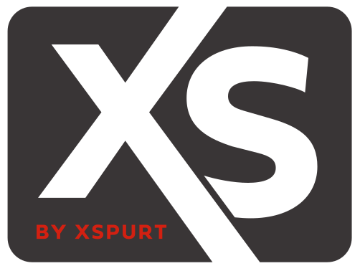

XS710S Subaru COBB Accessport

Injector Type: | XS710S
Matched Set: | None selected
Report Date: | 20/05/2022

Reference Voltage: | 14 | V

Fuel Pressure [psi] | 44 | Edit to update. Range: 29 to 102
Ethanol Content [%] | 10 | Edit to update. Range: 0 to 100

Fuel Injector Trim
Injector Pulse Width [ms] | 0.310 | 0.389 | 0.489 | 0.614 | 0.771 | 0.968 | 1.216 | 1.527
Pulse Width Adder [%] | 36.7 | 12.4 | 8.8 | 4.1 | 0.0 | 0.0 | 0.0 | 0.0

Minimum Small IPW [ms] | 0.310

Maximum Small IPW [ms] | 1.5

Maximum RPM, Small IPW [RPM] | 10000

Injector Offsets (All 2.5L and 2.0L SD)
Voltage [V] | 8.0 | 10.0 | 12.0 | 14.0 | 16.0
Offset [ms] | 3.3598 | 1.8835 | 1.3401 | 1.0657 | 0.8291

Injector Offsets (2.0L MAF)
Voltage [V] | 6.5 | 9.0 | 11.5 | 14.0 | 16.5
Offset [ms] | 5.7224 | 2.4467 | 1.4322 | 1.0657 | 0.7900

Fuel Injector Scale
Fuel Injector Scale [ms] | 3870

