M1 ECU Set-Up New
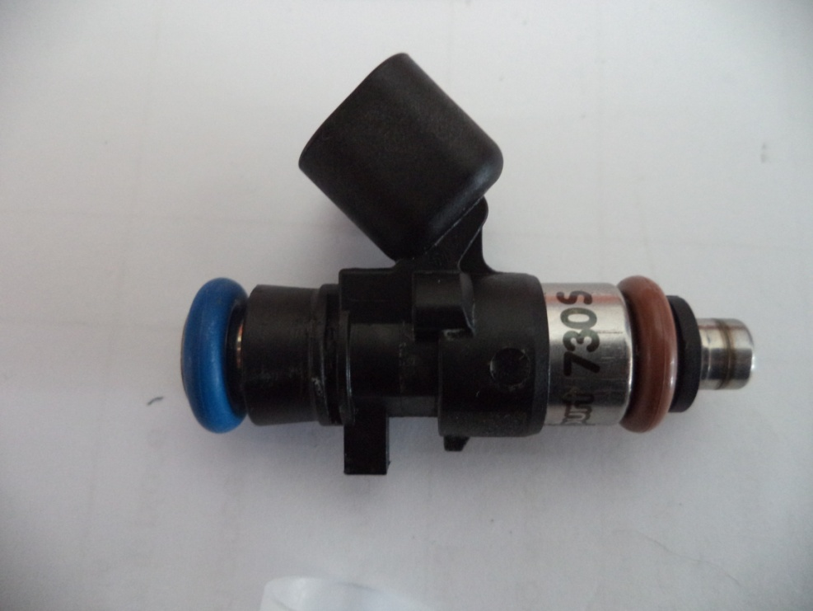
Injector Info

 | Manufacturer |  | Xspurt
 | Part No. |  | 730 S
 | Resistance (Ω) |  | 12.2

 | Vehicle |  | Not Available
 | Model |  | Not Available
 | Engine |  | Not Available

 | Peak Current |  | 4.0 |  | A |  | Minimum Volume |  |  | 1.00 | µl
 | Hold Current |  | 0.30 |  | A |  | Ref Flow @ |  | 300 kPa g | 12.57 | ml/s
 | Peak Time |  | 7.0 |  | ms |  | Ref Flow @ |  | 400 kPa g | 14.57 | ml/s
 | Off Time |  | Not Available |  | ms |  | Ref Flow @ |  | 500 kPa g | 16.27 | ml/s
 | Pin Drive |  | Saturated |  |  |  | Ref Flow @ |  | 600 kPa g | 17.76 | ml/s
 |  |  |  |  |  |  | Ref Flow @ |  |  |  | ml/s

Voltages : |  | 8 | 10 | 12 | 14 | 15

Pulse widths (ms), dependend on voltage (V), fuel differential pressure (horizontal, kPa) and fuel volume (vertical, μl)

8 Volt |  |  |  |  |  |  | 10 Volt |  |  |  |  |  | 12 Volt |  |  |  |  |  | 14 Volt |  |  |  |  |  | 15 Volt

M1 | v2 |  |  |  |  |  | M1 | v2 |  |  |  |  | M1 | v2 |  |  |  |  | M1 | v2 |  |  |  |  | M1 | v2
Body | ms |  |  |  |  |  | Body | ms |  |  |  |  | Body | ms |  |  |  |  | Body | ms |  |  |  |  | Body | ms
Cols | dkPa | Fuel Pressure Differential |  |  |  |  | Cols | dkPa | Fuel Pressure Differential |  |  |  | Cols | dkPa | Fuel Pressure Differential |  |  |  | Cols | dkPa | Fuel Pressure Differential |  |  |  | Cols | dkPa | Fuel Pressure Differential
Rows | ul | Fuel Cylinder 1 Output Pulse Volume |  |  |  |  | Rows | ul | Fuel Cylinder 1 Output Pulse Volume |  |  |  | Rows | ul | Fuel Cylinder 1 Output Pulse Volume |  |  |  | Rows | ul | Fuel Cylinder 1 Output Pulse Volume |  |  |  | Rows | ul | Fuel Cylinder 1 Output Pulse Volume
 | 300 | 400 | 500 | 600 |  |  |  | 300 | 400 | 500 | 600 |  |  | 300 | 400 | 500 | 600 |  |  | 300 | 400 | 500 | 600 |  |  | 300 | 400 | 500 | 600
1.00 | 3.723 | 4.040 | 4.771 | 5.641 |  |  | 1.00 | 2.236 | 2.496 | 2.894 | 3.617 |  | 1.00 | 1.682 | 1.810 | 1.964 | 2.146 |  | 1.00 | 1.364 | 1.443 | 1.535 | 1.643 |  | 1.00 | 1.253 | 1.323 | 1.407 | 1.469
2.50 | 3.784 | 4.096 | 4.847 | 5.707 |  |  | 2.50 | 2.308 | 2.590 | 2.993 | 3.682 |  | 2.50 | 1.740 | 1.874 | 2.044 | 2.217 |  | 2.50 | 1.420 | 1.499 | 1.593 | 1.698 |  | 2.50 | 1.313 | 1.379 | 1.483 | 1.535
4.00 | 3.830 | 4.141 | 4.864 | 5.784 |  |  | 4.00 | 2.352 | 2.618 | 3.030 | 3.760 |  | 4.00 | 1.782 | 1.915 | 2.091 | 2.281 |  | 4.00 | 1.457 | 1.545 | 1.642 | 1.750 |  | 4.00 | 1.337 | 1.424 | 1.500 | 1.613
5.50 | 3.873 | 4.155 | 4.897 | 5.795 |  |  | 5.50 | 2.382 | 2.645 | 3.088 | 3.770 |  | 5.50 | 1.812 | 1.939 | 2.131 | 2.319 |  | 5.50 | 1.492 | 1.571 | 1.670 | 1.782 |  | 5.50 | 1.381 | 1.438 | 1.532 | 1.623
7.00 | 3.908 | 4.205 | 4.909 | 5.805 |  |  | 7.00 | 2.487 | 2.674 | 3.120 | 3.780 |  | 7.00 | 1.927 | 1.964 | 2.146 | 2.345 |  | 7.00 | 1.599 | 1.619 | 1.689 | 1.806 |  | 7.00 | 1.473 | 1.489 | 1.544 | 1.633
8.50 | 3.953 | 4.287 | 4.974 | 5.814 |  |  | 8.50 | 2.574 | 2.753 | 3.143 | 3.790 |  | 8.50 | 2.021 | 2.078 | 2.161 | 2.388 |  | 8.50 | 1.670 | 1.699 | 1.753 | 1.854 |  | 8.50 | 1.549 | 1.570 | 1.609 | 1.643
10.00 | 4.028 | 4.341 | 5.039 | 5.910 |  |  | 10.00 | 2.670 | 2.845 | 3.166 | 3.886 |  | 10.00 | 2.113 | 2.148 | 2.202 | 2.433 |  | 10.00 | 1.777 | 1.775 | 1.826 | 1.919 |  | 10.00 | 1.655 | 1.625 | 1.674 | 1.738
11.50 | 4.123 | 4.432 | 5.103 | 5.964 |  |  | 11.50 | 2.773 | 2.918 | 3.236 | 3.940 |  | 11.50 | 2.219 | 2.236 | 2.300 | 2.503 |  | 11.50 | 1.892 | 1.873 | 1.898 | 1.983 |  | 11.50 | 1.764 | 1.715 | 1.738 | 1.792
13.00 | 4.227 | 4.543 | 5.179 | 6.028 |  |  | 13.00 | 2.876 | 2.991 | 3.313 | 4.003 |  | 13.00 | 2.324 | 2.323 | 2.396 | 2.579 |  | 13.00 | 2.007 | 1.971 | 1.972 | 2.050 |  | 13.00 | 1.882 | 1.826 | 1.814 | 1.856
14.50 | 4.343 | 4.631 | 5.282 | 6.110 |  |  | 14.50 | 2.998 | 3.097 | 3.398 | 4.086 |  | 14.50 | 2.446 | 2.424 | 2.490 | 2.655 |  | 14.50 | 2.133 | 2.072 | 2.062 | 2.126 |  | 14.50 | 2.010 | 1.914 | 1.917 | 1.938
16.00 | 4.515 | 4.743 | 5.368 | 6.205 |  |  | 16.00 | 3.130 | 3.203 | 3.483 | 4.181 |  | 16.00 | 2.569 | 2.525 | 2.583 | 2.731 |  | 16.00 | 2.259 | 2.172 | 2.151 | 2.202 |  | 16.00 | 2.142 | 2.027 | 2.003 | 2.033
17.50 | 4.664 | 4.847 | 5.466 | 6.282 |  |  | 17.50 | 3.262 | 3.308 | 3.578 | 4.258 |  | 17.50 | 2.692 | 2.626 | 2.675 | 2.807 |  | 17.50 | 2.385 | 2.273 | 2.241 | 2.278 |  | 17.50 | 2.271 | 2.130 | 2.101 | 2.111
19.00 | 4.793 | 4.956 | 5.552 | 6.350 |  |  | 19.00 | 3.389 | 3.417 | 3.678 | 4.326 |  | 19.00 | 2.815 | 2.730 | 2.762 | 2.883 |  | 19.00 | 2.509 | 2.379 | 2.338 | 2.355 |  | 19.00 | 2.389 | 2.240 | 2.187 | 2.178
20.50 | 4.923 | 5.074 | 5.650 | 6.443 |  |  | 20.50 | 3.514 | 3.527 | 3.778 | 4.419 |  | 20.50 | 2.939 | 2.833 | 2.850 | 2.954 |  | 20.50 | 2.632 | 2.486 | 2.438 | 2.448 |  | 20.50 | 2.509 | 2.358 | 2.285 | 2.271
22.00 | 5.052 | 5.175 | 5.748 | 6.540 |  |  | 22.00 | 3.639 | 3.637 | 3.877 | 4.516 |  | 22.00 | 3.067 | 2.937 | 2.937 | 3.043 |  | 22.00 | 2.756 | 2.592 | 2.537 | 2.541 |  | 22.00 | 2.636 | 2.458 | 2.383 | 2.369
23.50 | 5.180 | 5.281 | 5.851 | 6.640 |  |  | 23.50 | 3.764 | 3.748 | 3.973 | 4.615 |  | 23.50 | 3.200 | 3.047 | 3.040 | 3.167 |  | 23.50 | 2.879 | 2.699 | 2.637 | 2.634 |  | 23.50 | 2.758 | 2.565 | 2.486 | 2.468
25.00 | 5.308 | 5.390 | 5.955 | 6.742 |  |  | 25.00 | 3.893 | 3.859 | 4.069 | 4.717 |  | 25.00 | 3.331 | 3.157 | 3.135 | 3.256 |  | 25.00 | 2.994 | 2.807 | 2.733 | 2.722 |  | 25.00 | 2.879 | 2.673 | 2.591 | 2.570
26.50 | 5.435 | 5.493 | 6.049 | 6.822 |  |  | 26.50 | 4.023 | 3.971 | 4.164 | 4.797 |  | 26.50 | 3.462 | 3.266 | 3.229 | 3.343 |  | 26.50 | 3.122 | 2.916 | 2.829 | 2.809 |  | 26.50 | 3.000 | 2.776 | 2.685 | 2.650
28.00 | 5.562 | 5.596 | 6.140 | 6.902 |  |  | 28.00 | 4.154 | 4.083 | 4.260 | 4.878 |  | 28.00 | 3.593 | 3.375 | 3.324 | 3.431 |  | 28.00 | 3.251 | 3.029 | 2.926 | 2.897 |  | 28.00 | 3.119 | 2.879 | 2.775 | 2.730
29.50 | 5.696 | 5.699 | 6.231 | 6.987 |  |  | 29.50 | 4.284 | 4.195 | 4.360 | 4.962 |  | 29.50 | 3.723 | 3.483 | 3.418 | 3.518 |  | 29.50 | 3.379 | 3.150 | 3.031 | 2.984 |  | 29.50 | 3.238 | 2.982 | 2.866 | 2.815
 |  | * | * | * |  |  |  |  |  |  | *
* marked columns contain extrapolated data

Pulse widths (ms), dependend on fuel differential pressure (kPa), voltage (horizontal, V) and fuel volume (vertical, μl)

300 |  |  |  |  |  |  | 400 |  |  |  |  |  | 500 |  |  |  |  |  | 600

 | 8 | 10 | 12 | 14 | 15 |  |  | 8 | 10 | 12 | 14 | 15 |  | 8 | 10 | 12 | 14 | 15 |  | 8 | 10 | 12 | 14 | 15
1.00 | 3.723 | 2.236 | 1.682 | 1.364 | 1.253 |  | 1.00 | 4.040 | 2.496 | 1.810 | 1.443 | 1.323 | 1.00 | 4.771 | 2.894 | 1.964 | 1.535 | 1.407 | 1.00 | 5.641 | 3.617 | 2.146 | 1.643 | 1.469
2.50 | 3.784 | 2.308 | 1.740 | 1.420 | 1.313 |  | 2.50 | 4.096 | 2.590 | 1.874 | 1.499 | 1.379 | 2.50 | 4.847 | 2.993 | 2.044 | 1.593 | 1.483 | 2.50 | 5.707 | 3.682 | 2.217 | 1.698 | 1.535
4.00 | 3.830 | 2.352 | 1.782 | 1.457 | 1.337 |  | 4.00 | 4.141 | 2.618 | 1.915 | 1.545 | 1.424 | 4.00 | 4.864 | 3.030 | 2.091 | 1.642 | 1.500 | 4.00 | 5.784 | 3.760 | 2.281 | 1.750 | 1.613
5.50 | 3.873 | 2.382 | 1.812 | 1.492 | 1.381 |  | 5.50 | 4.155 | 2.645 | 1.939 | 1.571 | 1.438 | 5.50 | 4.897 | 3.088 | 2.131 | 1.670 | 1.532 | 5.50 | 5.795 | 3.770 | 2.319 | 1.782 | 1.623
7.00 | 3.908 | 2.487 | 1.927 | 1.599 | 1.473 |  | 7.00 | 4.205 | 2.674 | 1.964 | 1.619 | 1.489 | 7.00 | 4.909 | 3.120 | 2.146 | 1.689 | 1.544 | 7.00 | 5.805 | 3.780 | 2.345 | 1.806 | 1.633
8.50 | 3.953 | 2.574 | 2.021 | 1.670 | 1.549 |  | 8.50 | 4.287 | 2.753 | 2.078 | 1.699 | 1.570 | 8.50 | 4.974 | 3.143 | 2.161 | 1.753 | 1.609 | 8.50 | 5.814 | 3.790 | 2.388 | 1.854 | 1.643
10.00 | 4.028 | 2.670 | 2.113 | 1.777 | 1.655 |  | 10.00 | 4.341 | 2.845 | 2.148 | 1.775 | 1.625 | 10.00 | 5.039 | 3.166 | 2.202 | 1.826 | 1.674 | 10.00 | 5.910 | 3.886 | 2.433 | 1.919 | 1.738
11.50 | 4.123 | 2.773 | 2.219 | 1.892 | 1.764 |  | 11.50 | 4.432 | 2.918 | 2.236 | 1.873 | 1.715 | 11.50 | 5.103 | 3.236 | 2.300 | 1.898 | 1.738 | 11.50 | 5.964 | 3.940 | 2.503 | 1.983 | 1.792
13.00 | 4.227 | 2.876 | 2.324 | 2.007 | 1.882 |  | 13.00 | 4.543 | 2.991 | 2.323 | 1.971 | 1.826 | 13.00 | 5.179 | 3.313 | 2.396 | 1.972 | 1.814 | 13.00 | 6.028 | 4.003 | 2.579 | 2.050 | 1.856
14.50 | 4.343 | 2.998 | 2.446 | 2.133 | 2.010 |  | 14.50 | 4.631 | 3.097 | 2.424 | 2.072 | 1.914 | 14.50 | 5.282 | 3.398 | 2.490 | 2.062 | 1.917 | 14.50 | 6.110 | 4.086 | 2.655 | 2.126 | 1.938
16.00 | 4.515 | 3.130 | 2.569 | 2.259 | 2.142 |  | 16.00 | 4.743 | 3.203 | 2.525 | 2.172 | 2.027 | 16.00 | 5.368 | 3.483 | 2.583 | 2.151 | 2.003 | 16.00 | 6.205 | 4.181 | 2.731 | 2.202 | 2.033
17.50 | 4.664 | 3.262 | 2.692 | 2.385 | 2.271 |  | 17.50 | 4.847 | 3.308 | 2.626 | 2.273 | 2.130 | 17.50 | 5.466 | 3.578 | 2.675 | 2.241 | 2.101 | 17.50 | 6.282 | 4.258 | 2.807 | 2.278 | 2.111
19.00 | 4.793 | 3.389 | 2.815 | 2.509 | 2.389 |  | 19.00 | 4.956 | 3.417 | 2.730 | 2.379 | 2.240 | 19.00 | 5.552 | 3.678 | 2.762 | 2.338 | 2.187 | 19.00 | 6.350 | 4.326 | 2.883 | 2.355 | 2.178
20.50 | 4.923 | 3.514 | 2.939 | 2.632 | 2.509 |  | 20.50 | 5.074 | 3.527 | 2.833 | 2.486 | 2.358 | 20.50 | 5.650 | 3.778 | 2.850 | 2.438 | 2.285 | 20.50 | 6.443 | 4.419 | 2.954 | 2.448 | 2.271
22.00 | 5.052 | 3.639 | 3.067 | 2.756 | 2.636 |  | 22.00 | 5.175 | 3.637 | 2.937 | 2.592 | 2.458 | 22.00 | 5.748 | 3.877 | 2.937 | 2.537 | 2.383 | 22.00 | 6.540 | 4.516 | 3.043 | 2.541 | 2.369
23.50 | 5.180 | 3.764 | 3.200 | 2.879 | 2.758 |  | 23.50 | 5.281 | 3.748 | 3.047 | 2.699 | 2.565 | 23.50 | 5.851 | 3.973 | 3.040 | 2.637 | 2.486 | 23.50 | 6.640 | 4.615 | 3.167 | 2.634 | 2.468
25.00 | 5.308 | 3.893 | 3.331 | 2.994 | 2.879 |  | 25.00 | 5.390 | 3.859 | 3.157 | 2.807 | 2.673 | 25.00 | 5.955 | 4.069 | 3.135 | 2.733 | 2.591 | 25.00 | 6.742 | 4.717 | 3.256 | 2.722 | 2.570
26.50 | 5.435 | 4.023 | 3.462 | 3.122 | 3.000 |  | 26.50 | 5.493 | 3.971 | 3.266 | 2.916 | 2.776 | 26.50 | 6.049 | 4.164 | 3.229 | 2.829 | 2.685 | 26.50 | 6.822 | 4.797 | 3.343 | 2.809 | 2.650
28.00 | 5.562 | 4.154 | 3.593 | 3.251 | 3.119 |  | 28.00 | 5.596 | 4.083 | 3.375 | 3.029 | 2.879 | 28.00 | 6.140 | 4.260 | 3.324 | 2.926 | 2.775 | 28.00 | 6.902 | 4.878 | 3.431 | 2.897 | 2.730
29.50 | 5.696 | 4.284 | 3.723 | 3.379 | 3.238 |  | 29.50 | 5.699 | 4.195 | 3.483 | 3.150 | 2.982 | 29.50 | 6.231 | 4.360 | 3.418 | 3.031 | 2.866 | 29.50 | 6.987 | 4.962 | 3.518 | 2.984 | 2.815
 |  |  |  |  |  |  |  | * |  |  |  |  |  | * |  |  |  |  |  | * | *
* marked columns contain extrapolated data

